Audience Demographics
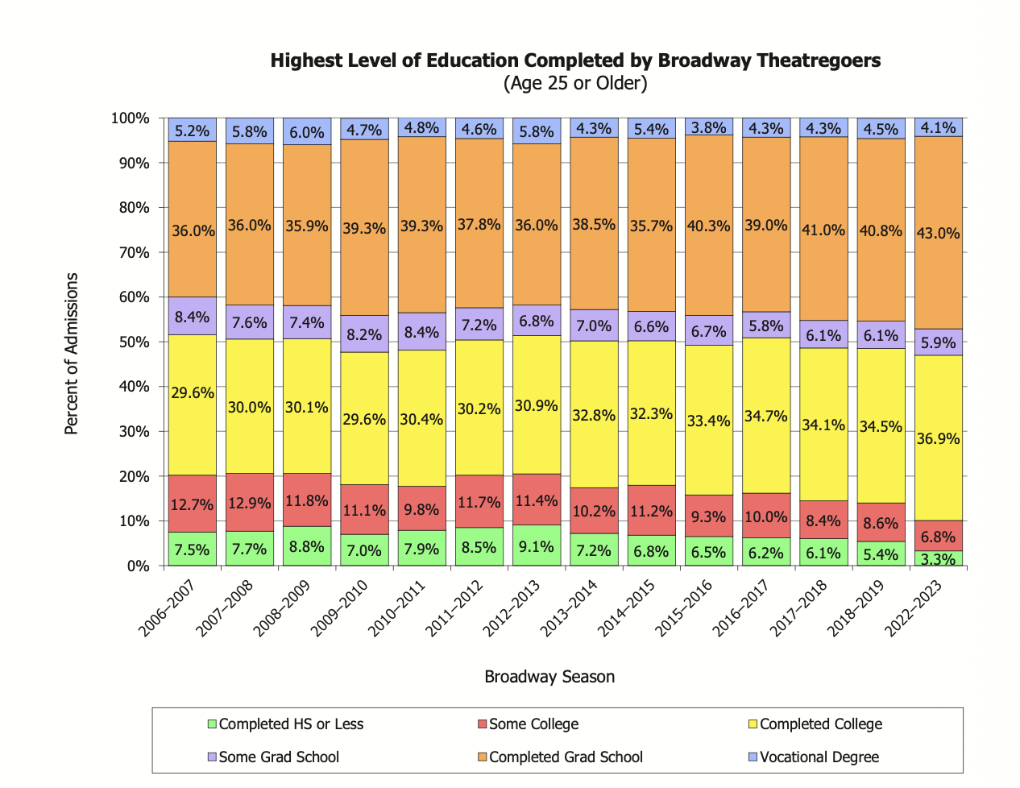
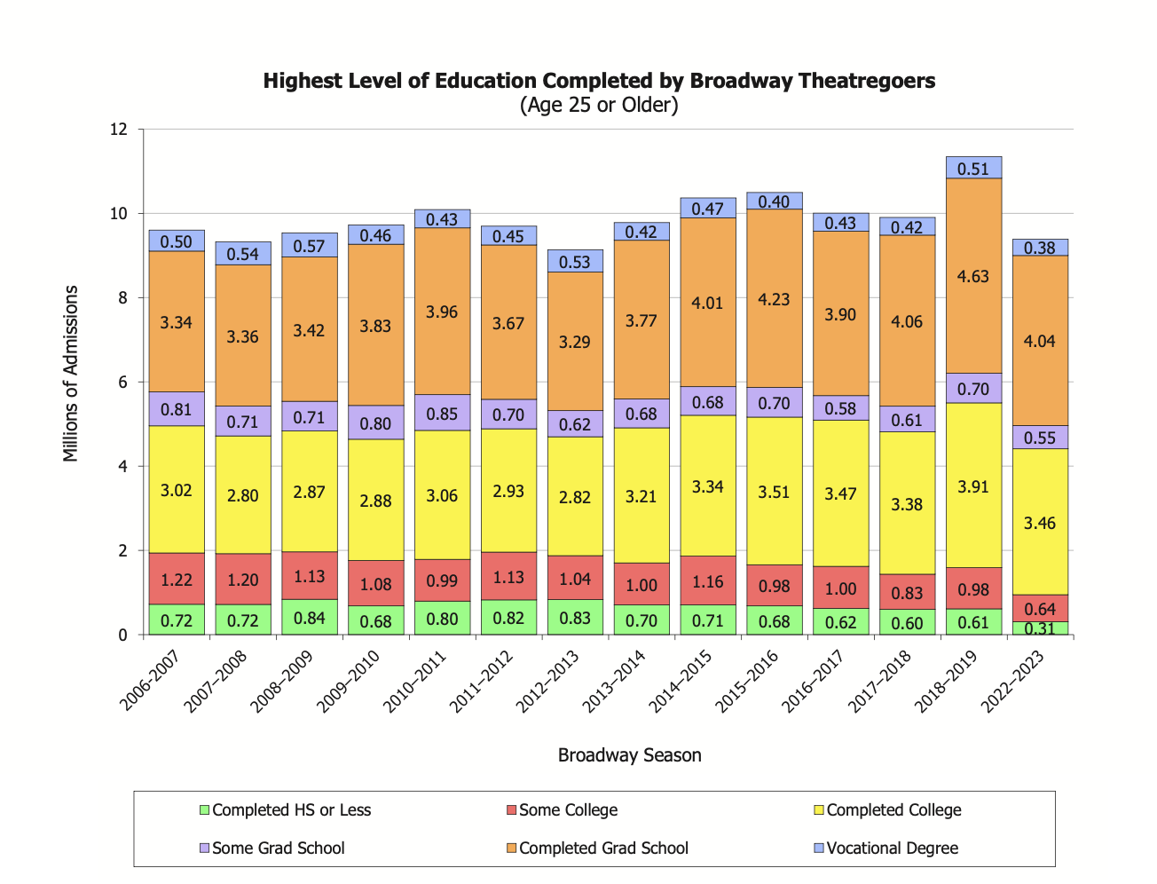
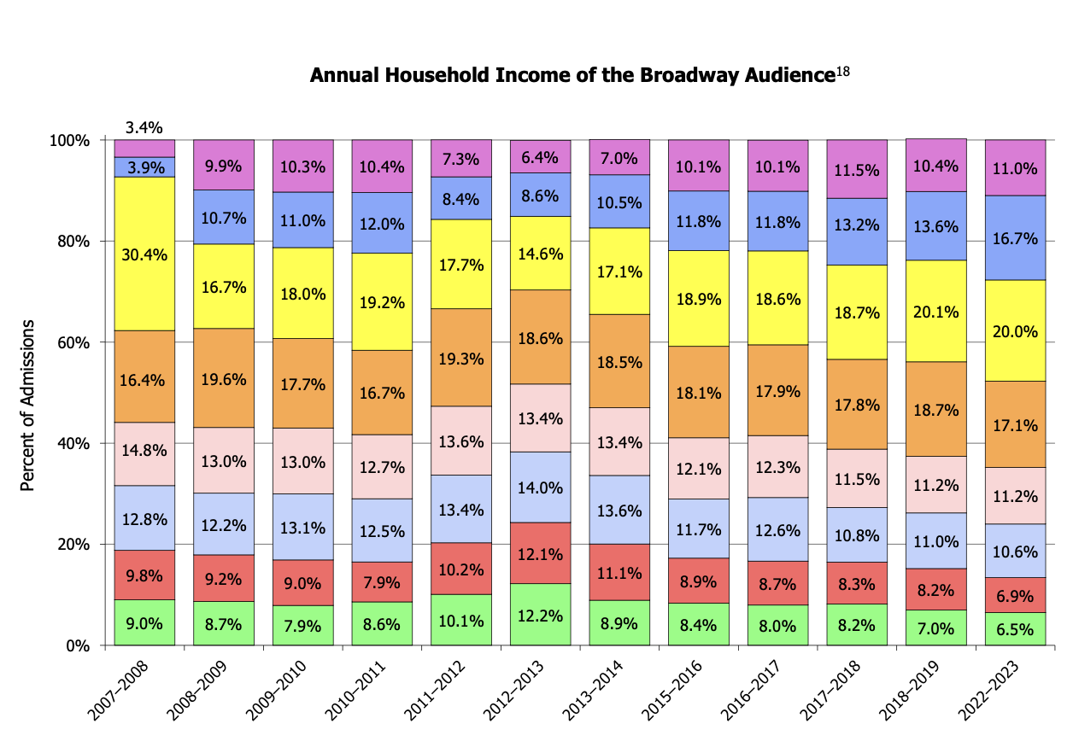
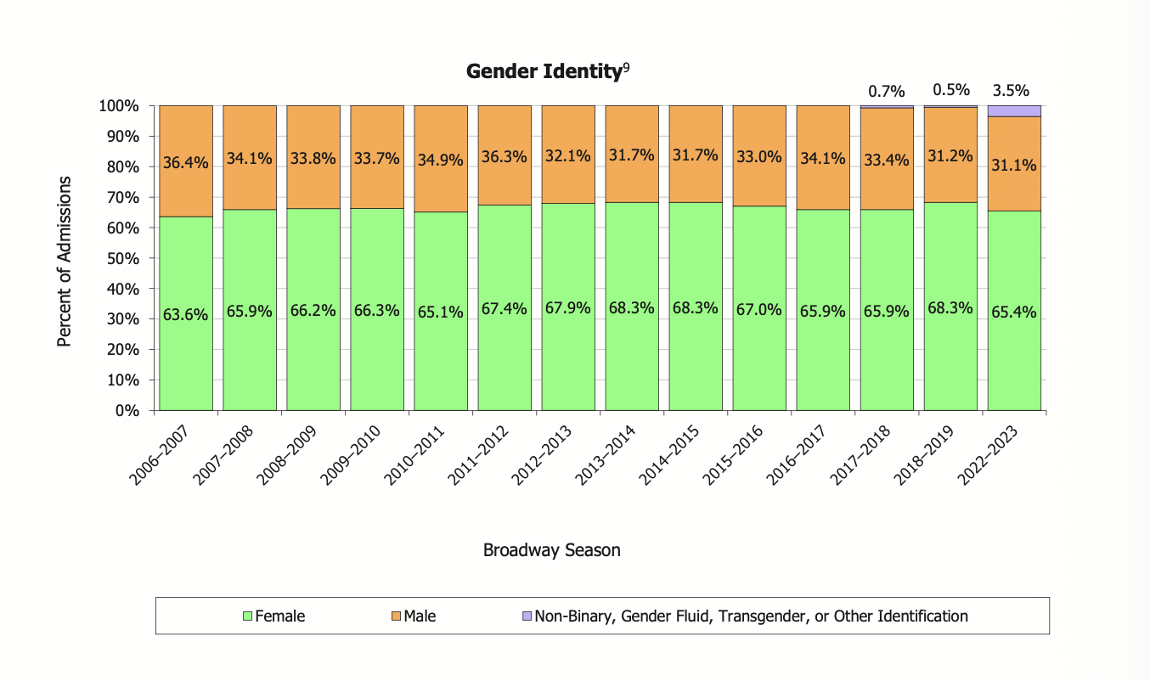

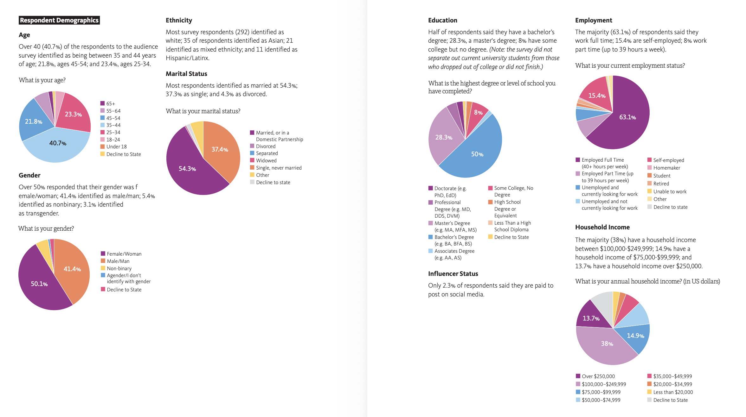

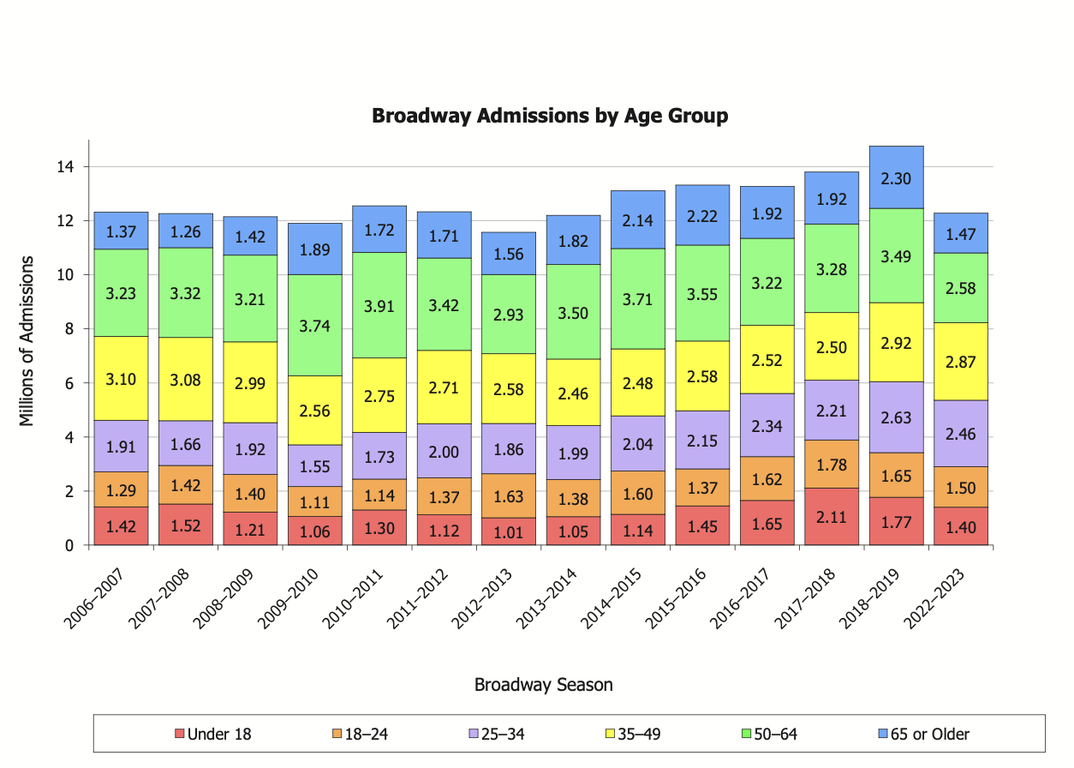
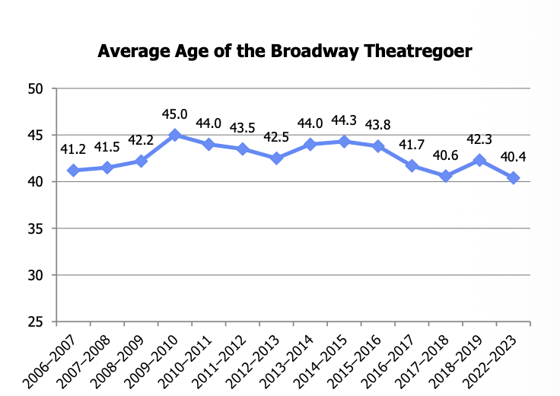
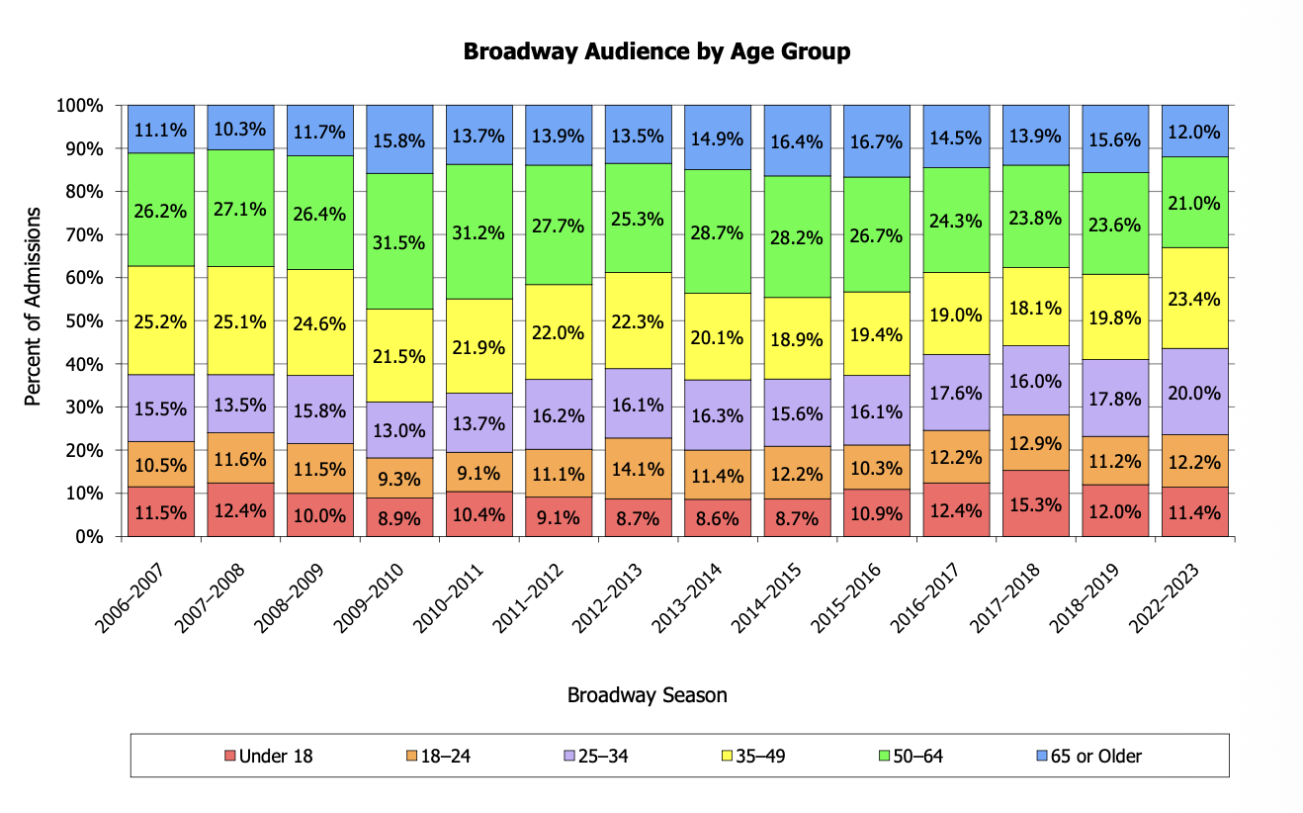

Age | Percentage
Completed HS or less | 3.30%
Some College | 6.80%
Completed College | 37%
Some Grad School | 5.90%
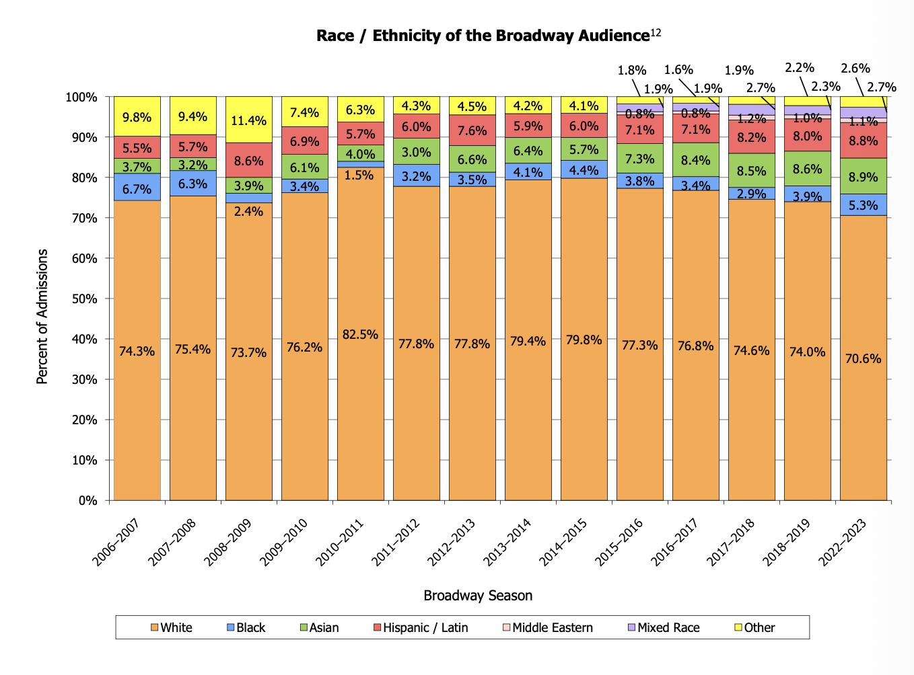
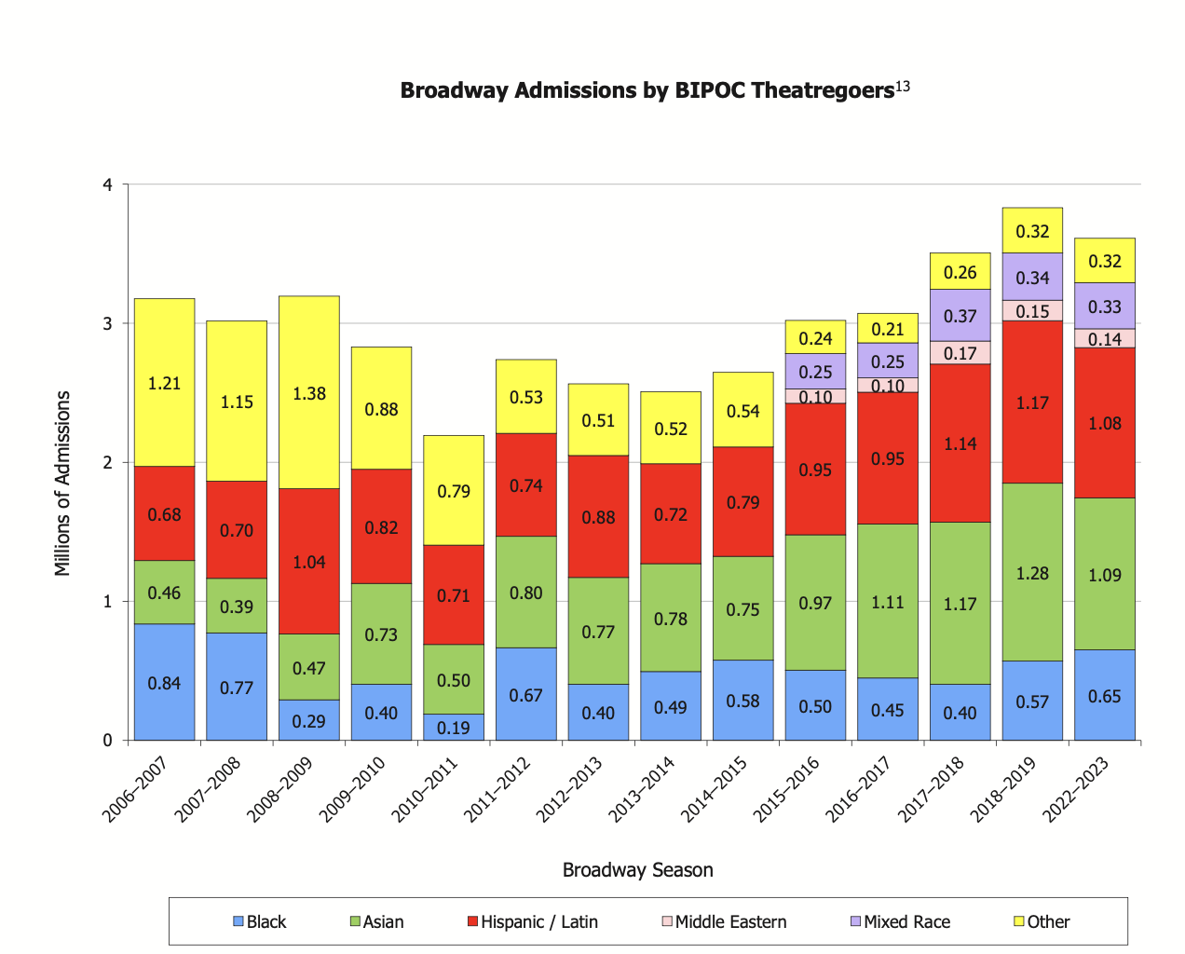
Completed Grad School | 43.00%
Vocational School | 4.10%

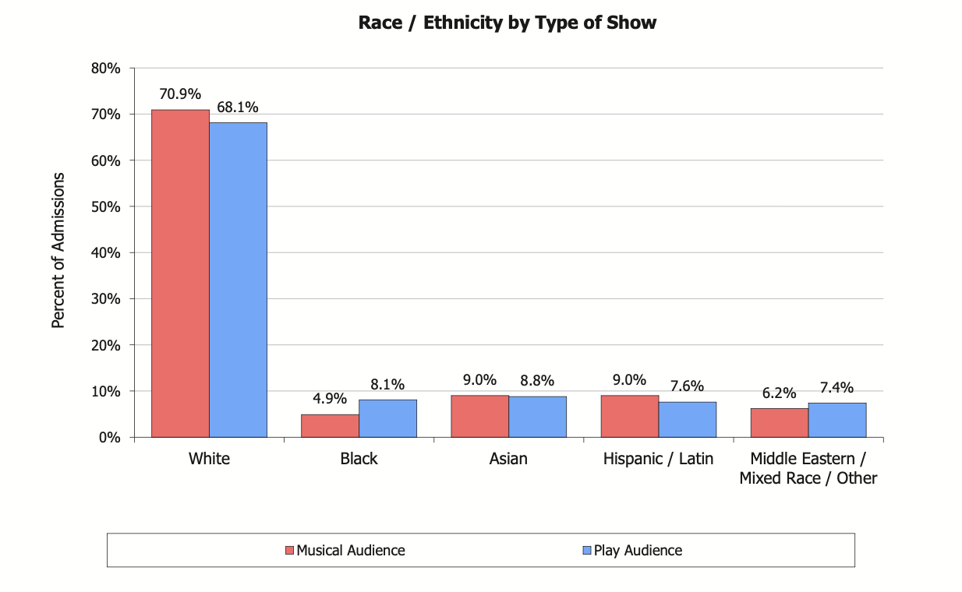

Gender Identity
Female | 65.40%
Male | 31.30%
Non-Binary, Transgender, or other identification | 3.50%

Broadway Revenue
Week |  | This Week's Gross | Last Week's Gross | Diff $ | Potential Gross | Gross % of Potential | Average Ticket | Top Ticket | Seats | Total | Per | This Week % | Last Week % | Diff % | Month | Month's Gross | Average Ticket | Top Tickets | Per | Seats Sold | Total Seats | Moth's percentage | Average of Monthly Gross Revenue
 | Month |  |  |  |  |  |  |  | Sold | Seats |  |  |  |  | July 15 | $2,590,947 | $140 | $275 | 14 | 18563 | 18494 | 100.37% | $10,265,976
2015-07-19 | July 15 | $1,288,436 | $0 | $1,288,436 | $1 | 128843600.00% | $138.94 | $275.00 | 9,273 | 9,247 | 7 | 100.30% | 0% | 0% | August 15 | $7,210,974 | $135 | $275 | 40 | 53381 | 52840 | 101.02% | $10,265,976
2015-07-26 | July 15 | $1,302,511 | $1,288,436 | $14,075 | $1 | 130251100.00% | $140.21 | $275.00 | 9,290 | 9,247 | 7 | 100.50% | 0% | 100.50% | September 15 | $6,371,507 | $149 | $275 | 32 | 42809 | 42272 | 101.27% | $10,265,976
2015-08-02 | August 15 | $1,490,816 | $1,302,511 | $188,305 | $1 | 149081600.00% | $140.39 | $275.00 | 10,619 | 10,568 | 8 | 100.50% | 100.50% | 0% | October 15 | $6,127,373 | $143 | $475 | 32 | 42851 | 42272 | 101.37% | $10,265,976
2015-08-09 | August 15 | $1,255,163 | $1,490,816 | ($235,653) | $1 | 125516300.00% | $117.99 | $275.00 | 10,638 | 10,568 | 8 | 100.70% | 100.50% | 0.20% | November 15 | $8,248,302 | $150 | $475 | 41 | 54988 | 54161 | 101.53% | $10,265,976
2015-08-16 | August 15 | $1,459,314 | $1,255,163 | $204,151 | $1 | 145931400.00% | $136.31 | $275.00 | 10,706 | 10,568 | 8 | 101.30% | 100.70% | 0.60% | December 15 | $6,756,760 | $157 | $475 | 32 | 42934 | 42272 | 101.57% | $10,265,976
2015-08-23 | August 15 | $1,456,753 | $1,459,314 | ($2,561) | $1 | 145675300.00% | $136.04 | $275.00 | 10,708 | 10,568 | 8 | 101.30% | 101.30% | 0% | January 16 | $8,479,383 | $166 | $475 | 38 | 51065 | 50198 | 101.73% | $10,265,976
2015-08-30 | August 15 | $1,548,928 | $1,456,753 | $92,175 | $1 | 154892800.00% | $144.62 | $275.00 | 10,710 | 10,568 | 8 | 101.30% | 101.30% | 0% | February 16 | $7,069,119 | $164 | $475 | 32 | 43009 | 42272 | 101.74% | $10,265,976
2015-09-06 | September 15 | $1,697,070 | $1,548,928 | $148,142 | $1 | 169707000.00% | $158.52 | $275.00 | 10,706 | 10,568 | 8 | 101.30% | 101.30% | 0% | March 16 | $6,984,452 | $162 | $475 | 32 | 43015 | 42272 | 101.76% | $10,265,976
2015-09-13 | September 15 | $1,561,640 | $1,697,070 | ($135,430) | $1 | 156164000.00% | $145.91 | $275.00 | 10,703 | 10,568 | 8 | 101.30% | 101.30% | 0% | April 16 | $7,127,893 | $166 | $475 | 32 | 42991 | 42272 | 101.70% | $10,265,976
2015-09-20 | September 15 | $1,545,346 | $1,561,640 | ($16,294) | $1 | 154534600.00% | $144.59 | $275.00 | 10,688 | 10,568 | 8 | 101.10% | 101.30% | -0.20% | May 16 | $9,021,130 | $168 | $475 | 40 | 53751 | 52840 | 101.72% | $10,265,976
2015-09-27 | September 15 | $1,567,451 | $1,545,346 | $22,105 | $1 | 156745100.00% | $146.33 | $275.00 | 10,712 | 10,568 | 8 | 101.40% | 101.10% | 0.30% | June 16 | $7,917,257 | $184 | $475 | 32 | 42994 | 42272 | 101.71% | $10,265,976
2015-10-04 | October 15 | $1,481,172 | $1,567,451 | ($86,279) | $1 | 148117200.00% | $138.36 | $475.00 | 10,705 | 10,568 | 8 | 101.30% | 101.40% | -0.10% | July 16 | $10,446,836 | $190 | $475 | 41 | 55054 | 54161 | 101.65% | $10,265,976
2015-10-11 | October 15 | $1,678,091 | $1,481,172 | $196,919 | $1 | 167809100.00% | $156.58 | $475.00 | 10,717 | 10,568 | 8 | 101.40% | 101.30% | 0.10% | August 16 | $8,227,392 | $191 | $475 | 32 | 43018 | 42272 | 101.76% | $10,265,976
2015-10-18 | October 15 | $1,478,877 | $1,678,091 | ($199,214) | $1 | 147887700.00% | $137.94 | $475.00 | 10,721 | 10,568 | 8 | 101.40% | 101.40% | 0% | September 16 | $8,820,500 | $199 | $549 | 33 | 44360 | 43593 | 101.76% | $10,265,976
2015-10-25 | October 15 | $1,489,233 | $1,478,877 | $10,356 | $1 | 148923300.00% | $139.08 | $475.00 | 10,708 | 10,568 | 8 | 101.30% | 101.40% | -0.10% | October 16 | $10,761,452 | $200 | $549 | 40 | 53750 | 52840 | 101.72% | $10,265,976
2015-11-01 | November 15 | $1,595,089 | $1,489,233 | $105,856 | $1 | 159508900.00% | $148.71 | $475.00 | 10,726 | 10,568 | 8 | 101.50% | 101.30% | 0.20% | November 16 | $10,395,037 | $242 | $998 | 32 | 42992 | 42272 | 101.70% | $10,265,976
2015-11-08 | November 15 | $1,772,253 | $1,595,089 | $177,164 | $1 | 177225300.00% | $147.07 | $475.00 | 12,050 | 11,889 | 9 | 101.40% | 101.50% | -0.10% | December 16 | $10,220,723 | $238 | $998 | 32 | 42978 | 42272 | 101.67% | $10,265,976
2015-11-15 | November 15 | $1,596,311 | $1,772,253 | ($175,942) | $1 | 159631100.00% | $148.66 | $475.00 | 10,738 | 10,568 | 8 | 101.60% | 101.40% | 0.20% | January 17 | $13,160,271 | $245 | $998 | 40 | 53777 | 52840 | 101.77% | $10,265,976
2015-11-22 | November 15 | $1,450,763 | $1,596,311 | ($145,548) | $1 | 145076300.00% | $135.14 | $475.00 | 10,735 | 10,568 | 8 | 101.60% | 101.60% | 0% | February 17 | $12,118,811 | $282 | $849 | 32 | 42975 | 42272 | 101.66% | $10,265,976
2015-11-29 | November 15 | $1,833,886 | $1,450,763 | $383,123 | $1 | 183388600.00% | $170.77 | $475.00 | 10,739 | 10,568 | 8 | 101.60% | 101.60% | 0% | March 17 | $11,941,775 | $278 | $849 | 32 | 42980 | 42272 | 101.67% | $10,265,976
2015-12-06 | December 15 | $1,613,691 | $1,833,886 | ($220,195) | $1 | 161369100.00% | $150.36 | $475.00 | 10,732 | 10,568 | 8 | 101.60% | 101.60% | 0% | April 17 | $14,828,206 | $276 | $849 | 40 | 53733 | 52840 | 101.69% | $10,265,976
2015-12-13 | December 15 | $1,639,634 | $1,613,691 | $25,943 | $1 | 163963400.00% | $152.85 | $475.00 | 10,727 | 10,568 | 8 | 101.50% | 101.60% | -0.10% | May 17 | $11,858,088 | $276 | $849 | 32 | 42979 | 42272 | 101.67% | $10,265,976
2015-12-20 | December 15 | $1,658,598 | $1,639,634 | $18,964 | $1 | 165859800.00% | $154.60 | $475.00 | 10,728 | 10,568 | 8 | 101.50% | 101.50% | 0% | June 17 | $11,879,061 | $276 | $849 | 32 | 42997 | 42272 | 101.72% | $10,265,976
2015-12-27 | December 15 | $1,844,837 | $1,658,598 | $186,239 | $1 | 184483700.00% | $171.66 | $475.00 | 10,747 | 10,568 | 8 | 101.70% | 101.50% | 0.20% | July 17 | $15,187,896 | $282 | $849 | 40 | 53774 | 52840 | 101.77% | $10,265,976
2016-01-03 | January 16 | $1,959,785 | $1,844,837 | $114,948 | $1 | 195978500.00% | $182.39 | $475.00 | 10,745 | 10,568 | 8 | 101.70% | 101.70% | 0% | August 17 | $12,020,214 | $279 | $849 | 32 | 43021 | 42272 | 101.77% | $10,265,976
2016-01-10 | January 16 | $1,712,792 | $1,959,785 | ($246,993) | $1 | 171279200.00% | $159.23 | $475.00 | 10,757 | 10,568 | 8 | 101.80% | 101.70% | 0.10% | September 17 | $11,806,415 | $274 | $849 | 32 | 43019 | 42272 | 101.77% | $10,265,976
2016-01-17 | January 16 | $1,769,360 | $1,712,792 | $56,568 | $1 | 176936000.00% | $164.55 | $475.00 | 10,753 | 10,568 | 8 | 101.80% | 101.80% | 0% | October 17 | $14,383,287 | $268 | $849 | 40 | 53756 | 52840 | 101.73% | $10,265,976
2016-01-24 | January 16 | $1,304,793 | $1,769,360 | ($464,567) | $1 | 130479300.00% | $161.84 | $475.00 | 8,062 | 7,926 | 6 | 101.70% | 101.80% | -0.10% | November 17 | $12,352,444 | $287 | $849 | 32 | 43002 | 42272 | 101.73% | $10,265,976
2016-01-31 | January 16 | $1,732,653 | $1,304,793 | $427,860 | $1 | 173265300.00% | $161.21 | $475.00 | 10,748 | 10,568 | 8 | 101.70% | 101.70% | 0% | December 17 | $16,226,427 | $302 | $849 | 40 | 53713 | 52840 | 101.65% | $10,265,976
2016-02-07 | February 16 | $1,771,086 | $1,732,653 | $38,433 | $1 | 177108600.00% | $164.81 | $475.00 | 10,746 | 10,568 | 8 | 101.70% | 101.70% | 0% | January 18 | $12,420,362 | $289 | $849 | 32 | 43023 | 42272 | 101.78% | $10,265,976
2016-02-14 | February 16 | $1,792,099 | $1,771,086 | $21,013 | $1 | 179209900.00% | $166.69 | $475.00 | 10,751 | 10,568 | 8 | 101.70% | 101.70% | 0% | February 18 | $12,036,730 | $280 | $849 | 32 | 42998 | 42272 | 101.72% | $10,265,976
2016-02-21 | February 16 | $1,750,924 | $1,792,099 | ($41,175) | $1 | 175092400.00% | $162.79 | $475.00 | 10,756 | 10,568 | 8 | 101.80% | 101.70% | 0.10% | March 18 | $12,452,994 | $289 | $849 | 32 | 43018 | 42272 | 101.76% | $10,265,976
2016-02-28 | February 16 | $1,755,010 | $1,750,924 | $4,086 | $1 | 175501000.00% | $163.17 | $475.00 | 10,756 | 10,568 | 8 | 101.80% | 101.80% | 0% | April 18 | $15,069,526 | $280 | $849 | 40 | 53745 | 52840 | 101.71% | $10,265,976
2016-03-06 | March 16 | $1,766,223 | $1,755,010 | $11,213 | $1 | 176622300.00% | $164.28 | $475.00 | 10,751 | 10,568 | 8 | 101.70% | 101.80% | -0.10% | May 18 | $12,026,559 | $280 | $849 | 32 | 42983 | 42272 | 101.68% | $10,265,976
2016-03-13 | March 16 | $1,758,555 | $1,766,223 | ($7,668) | $1 | 175855500.00% | $163.50 | $475.00 | 10,756 | 10,568 | 8 | 101.80% | 101.70% | 0.10% | June 18 | $12,234,953 | $285 | $849 | 32 | 42997 | 42272 | 101.72% | $10,265,976
2016-03-20 | March 16 | $1,740,104 | $1,758,555 | ($18,451) | $1 | 174010400.00% | $161.82 | $475.00 | 10,753 | 10,568 | 8 | 101.80% | 101.80% | 0% | July 18 | $15,699,043 | $292 | $849 | 40 | 53776 | 52840 | 101.77% | $10,265,976 | ] | $10,265,976
2016-03-27 | March 16 | $1,719,570 | $1,740,104 | ($20,534) | $1 | 171957000.00% | $159.89 | $475.00 | 10,755 | 10,568 | 8 | 101.80% | 101.80% | 0% | August 18 | $12,658,479 | $294 | $849 | 32 | 43022 | 42272 | 101.77% | $10,265,976
2016-04-03 | April 16 | $1,822,594 | $1,719,570 | $103,024 | $1 | 182259400.00% | $169.51 | $475.00 | 10,752 | 10,568 | 8 | 101.70% | 101.80% | -0.10% | September 18 | $16,145,390 | $300 | $849 | 40 | 53776 | 52840 | 101.77% | $10,265,976
2016-04-10 | April 16 | $1,813,655 | $1,822,594 | ($8,939) | $1 | 181365500.00% | $168.65 | $475.00 | 10,754 | 10,568 | 8 | 101.80% | 101.70% | 0.10% | October 18 | $12,666,516 | $295 | $849 | 32 | 43006 | 42272 | 101.74% | $10,265,976
2016-04-17 | April 16 | $1,678,620 | $1,813,655 | ($135,035) | $1 | 167862000.00% | $156.41 | $475.00 | 10,732 | 10,568 | 8 | 101.60% | 101.80% | -0.20% | November 18 | $12,511,011 | $291 | $849 | 32 | 42960 | 42272 | 101.63% | $10,265,976
2016-04-24 | April 16 | $1,813,024 | $1,678,620 | $134,404 | $1 | 181302400.00% | $168.61 | $475.00 | 10,753 | 10,568 | 8 | 101.80% | 101.60% | 0.20% | December 18 | $16,803,145 | $313 | $849 | 40 | 53749 | 52840 | 101.72% | $10,265,976
2016-05-01 | May 16 | $1,818,758 | $1,813,024 | $5,734 | $1 | 181875800.00% | $169.12 | $475.00 | 10,754 | 10,568 | 8 | 101.80% | 101.80% | 0% | January 19 | $12,867,069 | $299 | $849 | 32 | 43017 | 42272 | 101.76% | $10,265,976
2016-05-08 | May 16 | $1,833,473 | $1,818,758 | $14,715 | $1 | 183347300.00% | $170.49 | $475.00 | 10,754 | 10,568 | 8 | 101.80% | 101.80% | 0% | February 19 | $12,333,553 | $287 | $849 | 32 | 43007 | 42272 | 101.74% | $10,265,976
2016-05-15 | May 16 | $1,686,168 | $1,833,473 | ($147,305) | $1 | 168616800.00% | $157.06 | $475.00 | 10,736 | 10,568 | 8 | 101.60% | 101.80% | -0.20% | March 19 | $15,657,248 | $291 | $849 | 40 | 53759 | 52840 | 101.74% | $10,265,976
2016-05-22 | May 16 | $1,764,808 | $1,686,168 | $78,640 | $1 | 176480800.00% | $164.09 | $475.00 | 10,755 | 10,568 | 8 | 101.80% | 101.60% | 0.20% | April 19 | $12,674,339 | $295 | $849 | 32 | 42992 | 42272 | 101.70% | $10,265,976
2016-05-29 | May 16 | $1,917,923 | $1,764,808 | $153,115 | $1 | 191792300.00% | $178.38 | $475.00 | 10,752 | 10,568 | 8 | 101.70% | 101.80% | -0.10% | May 19 | $12,475,065 | $290 | $849 | 32 | 42999 | 42272 | 101.72% | $10,265,976
2016-06-05 | June 16 | $1,854,989 | $1,917,923 | ($62,934) | $1 | 185498900.00% | $172.46 | $475.00 | 10,756 | 10,568 | 8 | 101.80% | 101.70% | 0.10% | June 19 | $15,601,877 | $290 | $849 | 40 | 53762 | 52840 | 101.74% | $10,265,976
2016-06-12 | June 16 | $2,028,208 | $1,854,989 | $173,219 | $1 | 202820800.00% | $188.60 | $475.00 | 10,754 | 10,568 | 8 | 101.80% | 101.80% | 0% | July 19 | $11,938,043 | $286 | $849 | 31 | 41683 | 40951 | 101.79% | $10,265,976
2016-06-19 | June 16 | $2,026,838 | $2,028,208 | ($1,370) | $1 | 202683800.00% | $188.51 | $475.00 | 10,752 | 10,568 | 8 | 101.70% | 101.80% | -0.10% | August 19 | $12,018,216 | $279 | $849 | 32 | 43019 | 42272 | 101.77% | $10,265,976
2016-06-26 | June 16 | $2,007,222 | $2,026,838 | ($19,616) | $1 | 200722200.00% | $187.03 | $475.00 | 10,732 | 10,568 | 8 | 101.60% | 101.70% | -0.10% | September 19 | $14,794,926 | $275 | $849 | 40 | 53776 | 52912 | 101.63% | $10,265,976
2016-07-03 | July 16 | $2,022,790 | $2,007,222 | $15,568 | $1 | 202279000.00% | $188.36 | $475.00 | 10,739 | 10,568 | 8 | 101.60% | 101.60% | 0% | October 19 | $11,838,299 | $275 | $847 | 32 | 42993 | 42368 | 101.48% | $10,265,976
2016-07-10 | July 16 | $2,053,263 | $2,022,790 | $30,473 | $1 | 205326300.00% | $190.95 | $475.00 | 10,753 | 10,568 | 8 | 101.80% | 101.60% | 0.20% | November 19 | $10,917,166 | $254 | $847 | 32 | 42963 | 42368 | 101.40% | $10,265,976
2016-07-17 | July 16 | $2,282,207 | $2,053,263 | $228,944 | $1 | 228220700.00% | $189.35 | $475.00 | 12,053 | 11,889 | 9 | 101.40% | 101.80% | -0.40% | December 19 | $16,060,202 | $299 | $996 | 40 | 53757 | 52960 | 101.50% | $10,265,976
2016-07-24 | July 16 | $2,046,711 | $2,282,207 | ($235,496) | $1 | 204671100.00% | $190.32 | $475.00 | 10,754 | 10,568 | 8 | 101.80% | 101.40% | 0.40% | January 20 | $11,356,889 | $264 | $996 | 32 | 43022 | 42368 | 101.54% | $10,265,976
2016-07-31 | July 16 | $2,041,865 | $2,046,711 | ($4,846) | $1 | 204186500.00% | $189.85 | $475.00 | 10,755 | 10,568 | 8 | 101.80% | 101.80% | 0% | February 20 | $10,686,240 | $249 | $847 | 32 | 43001 | 42368 | 101.49% | $10,265,976
2016-08-07 | August 16 | $2,062,862 | $2,041,865 | $20,997 | $1 | 206286200.00% | $191.79 | $475.00 | 10,756 | 10,568 | 8 | 101.80% | 101.80% | 0% | March 20 | $5,384,910 | $250 | $847 | 16 | 21508 | 21184 | 101.53% | $10,265,976
2016-08-14 | August 16 | $2,045,095 | $2,062,862 | ($17,767) | $1 | 204509500.00% | $190.14 | $475.00 | 10,756 | 10,568 | 8 | 101.80% | 101.80% | 0% | September 21 | $4,688,677 | $251 | $449 | 14 | 18665 | 18536 | 100.70% | $10,265,976
2016-08-21 | August 16 | $2,065,377 | $2,045,095 | $20,282 | $1 | 206537700.00% | $192.07 | $475.00 | 10,753 | 10,568 | 8 | 101.80% | 101.80% | 0% | October 21 | $13,403,069 | $252 | $449 | 40 | 53261 | 52960 | 100.57% | $10,265,976
2016-08-28 | August 16 | $2,054,058 | $2,065,377 | ($11,319) | $1 | 205405800.00% | $191.02 | $475.00 | 10,753 | 10,568 | 8 | 101.80% | 101.80% | 0% | November 21 | $11,220,103 | $263 | $449 | 32 | 42712 | 42368 | 100.81% | $10,265,976
2016-09-04 | September 16 | $2,091,791 | $2,054,058 | $37,733 | $1 | 209179100.00% | $194.55 | $475.00 | 10,752 | 10,568 | 8 | 101.70% | 101.80% | -0.10% | December 21 | $6,039,907 | $247 | $449 | 18 | 24038 | 23832 | 100.86% | $10,265,976
2016-09-11 | September 16 | $2,150,229 | $2,091,791 | $58,438 | $1 | 215022900.00% | $199.97 | $475.00 | 10,753 | 10,568 | 8 | 101.80% | 101.70% | 0.10% | January 22 | $10,553,195 | $231 | $449 | 39 | 45618 | 51636 | 88.35% | $10,265,976
2016-09-18 | September 16 | $2,159,038 | $2,150,229 | $8,809 | $1 | 215903800.00% | $200.75 | $475.00 | 10,755 | 10,568 | 8 | 101.80% | 101.80% | 0% | February 22 | $7,823,166 | $205 | $449 | 32 | 38096 | 42368 | 89.92% | $10,265,976
2016-09-25 | September 16 | $2,419,442 | $2,159,038 | $260,404 | $1 | 241944200.00% | $199.95 | $549.00 | 12,100 | 11,889 | 9 | 101.80% | 101.80% | 0% | March 22 | $8,587,192 | $208 | $449 | 32 | 41309 | 42368 | 97.50% | $10,265,976
2016-10-02 | October 16 | $2,174,750 | $2,419,442 | ($244,692) | $1 | 217475000.00% | $202.23 | $549.00 | 10,754 | 10,568 | 8 | 101.80% | 101.80% | 0% | April 22 | $9,408,520 | $222 | $449 | 32 | 42467 | 42368 | 100.23% | $10,265,976
2016-10-09 | October 16 | $2,214,118 | $2,174,750 | $39,368 | $1 | 221411800.00% | $205.87 | $549.00 | 10,755 | 10,568 | 8 | 101.80% | 101.80% | 0% | May 22 | $10,837,319 | $215 | $449 | 40 | 50496 | 52960 | 95.35% | $10,265,976
2016-10-16 | October 16 | $2,163,855 | $2,214,118 | ($50,263) | $1 | 216385500.00% | $201.21 | $549.00 | 10,754 | 10,568 | 8 | 101.80% | 101.80% | 0% | June 22 | $8,886,748 | $212 | $449 | 32 | 41859 | 42368 | 98.80% | $10,265,976
2016-10-23 | October 16 | $1,993,088 | $2,163,855 | ($170,767) | $1 | 199308800.00% | $185.70 | $549.00 | 10,733 | 10,568 | 8 | 101.60% | 101.80% | -0.20% | July 22 | $11,130,042 | $209 | $449 | 40 | 53158 | 52960 | 100.37% | $10,265,976
2016-10-30 | October 16 | $2,215,641 | $1,993,088 | $222,553 | $1 | 221564100.00% | $206.03 | $549.00 | 10,754 | 10,568 | 8 | 101.80% | 101.60% | 0.20% | August 22 | $8,684,782 | $207 | $449 | 32 | 41907 | 42368 | 98.91% | $10,265,976
2016-11-06 | November 16 | $2,227,546 | $2,215,641 | $11,905 | $1 | 222754600.00% | $207.56 | $549.00 | 10,732 | 10,568 | 8 | 101.60% | 101.80% | -0.20% | September 22 | $7,813,623 | $203 | $449 | 32 | 38558 | 42368 | 91.01% | $10,265,976
2016-11-13 | November 16 | $2,452,746 | $2,227,546 | $225,200 | $1 | 245274600.00% | $228.04 | $549.00 | 10,756 | 10,568 | 8 | 101.80% | 101.60% | 0.20% | October 22 | $10,112,494 | $199 | $449 | 40 | 50725 | 52960 | 95.78% | $10,265,976
2016-11-20 | November 16 | $2,454,656 | $2,452,746 | $1,910 | $1 | 245465600.00% | $228.30 | $549.00 | 10,752 | 10,568 | 8 | 101.70% | 101.80% | -0.10% | November 22 | $8,542,717 | $210 | $449 | 32 | 40617 | 42368 | 95.87% | $10,265,976
2016-11-27 | November 16 | $3,260,089 | $2,454,656 | $805,433 | $1 | 326008900.00% | $303.21 | $998.00 | 10,752 | 10,568 | 8 | 101.70% | 101.70% | 0% | December 22 | $9,072,699 | $215 | $449 | 32 | 42105 | 42368 | 99.38% | $10,265,976
2016-12-04 | December 16 | $2,233,259 | $3,260,089 | ($1,026,830) | $1 | 223325900.00% | $208.09 | $549.00 | 10,732 | 10,568 | 8 | 101.60% | 101.70% | -0.10% | January 23 | $10,758,752 | $202 | $449 | 40 | 53267 | 52960 | 100.58% | $10,265,976
2016-12-11 | December 16 | $2,443,438 | $2,233,259 | $210,179 | $1 | 244343800.00% | $227.23 | $549.00 | 10,753 | 10,568 | 8 | 101.80% | 101.60% | 0.20% | February 23 | $7,363,279 | $174 | $449 | 32 | 42368 | 42368 | 100.00% | $10,265,976
2016-12-18 | December 16 | $2,240,488 | $2,443,438 | ($202,950) | $1 | 224048800.00% | $208.65 | $549.00 | 10,738 | 10,568 | 8 | 101.60% | 101.80% | -0.20% | March 23 | $7,590,454 | $177 | $449 | 32 | 42774 | 42368 | 100.96% | $10,265,976
2016-12-25 | December 16 | $3,303,538 | $2,240,488 | $1,063,050 | $1 | 330353800.00% | $307.16 | $998.00 | 10,755 | 10,568 | 8 | 101.80% | 101.60% | 0.20% | April 23 | $9,788,987 | $183 | $449 | 40 | 53475 | 52960 | 100.97% | $10,265,976
2017-01-01 | January 17 | $3,335,430 | $3,303,538 | $31,892 | $1 | 333543000.00% | $310.13 | $998.00 | 10,755 | 10,568 | 8 | 101.80% | 101.80% | 0% | May 23 | $7,468,573 | $176 | $449 | 32 | 42394 | 42368 | 100.06% | $10,265,976
2017-01-08 | January 17 | $2,456,491 | $3,335,430 | ($878,939) | $1 | 245649100.00% | $228.43 | $549.00 | 10,754 | 10,568 | 8 | 101.80% | 101.80% | 0% | June 23 | $7,578,721 | $183 | $449 | 31 | 41350 | 41044 | 100.75% | $10,265,976
2017-01-15 | January 17 | $2,451,260 | $2,456,491 | ($5,231) | $1 | 245126000.00% | $227.90 | $549.00 | 10,756 | 10,568 | 8 | 101.80% | 101.80% | 0% | July 23 | $9,360,569 | $175 | $449 | 40 | 53638 | 52960 | 101.28% | $10,265,976
2017-01-22 | January 17 | $2,451,721 | $2,451,260 | $461 | $1 | 245172100.00% | $227.98 | $549.00 | 10,754 | 10,568 | 8 | 101.80% | 101.80% | 0% | August 23 | $7,571,820 | $177 | $449 | 32 | 42666 | 42368 | 100.70% | $10,265,976
2017-01-29 | January 17 | $2,465,369 | $2,451,721 | $13,648 | $1 | 246536900.00% | $229.17 | $549.00 | 10,758 | 10,568 | 8 | 101.80% | 101.80% | 0% | September 23 | $7,095,698 | $168 | $449 | 32 | 42316 | 42368 | 99.88% | $10,265,976
2017-02-05 | February 17 | $3,214,897 | $2,465,369 | $749,528 | $1 | 321489700.00% | $298.92 | $849.00 | 10,755 | 10,568 | 8 | 101.80% | 101.80% | 0% | October 23 | $9,157,638 | $173 | $449 | 40 | 53038 | 52960 | 100.15% | $10,265,976
2017-02-12 | February 17 | $2,903,693 | $3,214,897 | ($311,204) | $1 | 290369300.00% | $270.54 | $849.00 | 10,733 | 10,568 | 8 | 101.60% | 101.80% | -0.20% | November 23 | $7,754,978 | $183 | $449 | 32 | 42422 | 42368 | 100.13% | $10,265,976
2017-02-19 | February 17 | $2,866,806 | $2,903,693 | ($36,887) | $1 | 286680600.00% | $267.10 | $849.00 | 10,733 | 10,568 | 8 | 101.60% | 101.60% | 0% | December 23 | $10,506,786 | $196 | $549 | 40 | 53463 | 52960 | 100.95% | $10,265,976
2017-02-26 | February 17 | $3,133,415 | $2,866,806 | $266,609 | $1 | 313341500.00% | $291.37 | $849.00 | 10,754 | 10,568 | 8 | 101.80% | 101.60% | 0.20% | January 24 | $7,378,551 | $174 | $549 | 32 | 42336 | 42368 | 99.92% | $10,265,976
2017-03-05 | March 17 | $2,835,099 | $3,133,415 | ($298,316) | $1 | 283509900.00% | $264.10 | $849.00 | 10,735 | 10,568 | 8 | 101.60% | 101.80% | -0.20% | February 24 | $7,059,689 | $168 | $399 | 32 | 42027 | 42368 | 99.20% | $10,265,976
2017-03-12 | March 17 | $3,145,636 | $2,835,099 | $310,537 | $1 | 314563600.00% | $292.48 | $849.00 | 10,755 | 10,568 | 8 | 101.80% | 101.60% | 0.20% | March 24 | $9,331,220 | $177 | $399 | 40 | 52580 | 52960 | 99.28% | $10,265,976
2017-03-19 | March 17 | $2,865,344 | $3,145,636 | ($280,292) | $1 | 286534400.00% | $266.89 | $849.00 | 10,736 | 10,568 | 8 | 101.60% | 101.80% | -0.20% | April 24 | $7,772,038 | $184 | $399 | 32 | 42212 | 42368 | 99.63% | $10,265,976
2017-03-26 | March 17 | $3,095,696 | $2,865,344 | $230,352 | $1 | 309569600.00% | $287.86 | $849.00 | 10,754 | 10,568 | 8 | 101.80% | 101.60% | 0.20% | May 24 | $7,119,107 | $170 | $399 | 32 | 41893 | 42368 | 98.88% | $10,265,976
2017-04-02 | April 17 | $2,814,628 | $3,095,696 | ($281,068) | $1 | 281462800.00% | $262.17 | $849.00 | 10,736 | 10,568 | 8 | 101.60% | 101.80% | -0.20% | June 24 | $9,623,490 | $182 | $399 | 40 | 52839 | 52960 | 99.77% | $10,265,976
2017-04-09 | April 17 | $2,978,761 | $2,814,628 | $164,133 | $1 | 297876100.00% | $276.99 | $849.00 | 10,754 | 10,568 | 8 | 101.80% | 101.60% | 0.20% | July 24 | $7,856,999 | $184 | $399 | 32 | 42776 | 42368 | 100.96% | $10,265,976
2017-04-16 | April 17 | $3,117,682 | $2,978,761 | $138,921 | $1 | 311768200.00% | $289.94 | $849.00 | 10,753 | 10,568 | 8 | 101.80% | 101.80% | 0% | August 24 | $7,331,301 | $181 | $399 | 32 | 40431 | 42368 | 95.43% | $10,265,976
2017-04-23 | April 17 | $3,130,197 | $3,117,682 | $12,515 | $1 | 313019700.00% | $291.07 | $849.00 | 10,754 | 10,568 | 8 | 101.80% | 101.80% | 0% | September 24 | $8,226,335 | $164 | $399 | 40 | 50023 | 52960 | 94.45% | $10,265,976
2017-04-30 | April 17 | $2,786,938 | $3,130,197 | ($343,259) | $1 | 278693800.00% | $259.59 | $849.00 | 10,736 | 10,568 | 8 | 101.60% | 101.80% | -0.20% | October 24 | $7,270,409 | $179 | $299 | 32 | 40706 | 42368 | 96.08% | $10,265,976
2017-05-07 | May 17 | $3,141,642 | $2,786,938 | $354,704 | $1 | 314164200.00% | $292.14 | $849.00 | 10,754 | 10,568 | 8 | 101.80% | 101.60% | 0.20% | November 24 | $7,100,604 | $176 | $299 | 32 | 40452 | 42368 | 95.48% | $10,265,976
2017-05-14 | May 17 | $2,823,183 | $3,141,642 | ($318,459) | $1 | 282318300.00% | $263.01 | $849.00 | 10,734 | 10,568 | 8 | 101.60% | 101.80% | -0.20% | December 24 | $12,217,273 | $233 | $599 | 40 | 52402 | 52960 | 98.95% | $10,265,976
2017-05-21 | May 17 | $3,133,555 | $2,823,183 | $310,372 | $1 | 313355500.00% | $291.36 | $849.00 | 10,755 | 10,568 | 8 | 101.80% | 101.60% | 0.20% | January 25 | $7,745,399 | $188 | $599 | 32 | 41135 | 42368 | 97.09% | $10,265,976
2017-05-28 | May 17 | $2,759,708 | $3,133,555 | ($373,847) | $1 | 275970800.00% | $257.05 | $849.00 | 10,736 | 10,568 | 8 | 101.60% | 101.80% | -0.20% | February 25 | $7,009,768 | $172 | $369 | 32 | 40777 | 42368 | 96.24% | $10,265,976
2017-06-04 | June 17 | $3,054,910 | $2,759,708 | $295,202 | $1 | 305491000.00% | $284.07 | $849.00 | 10,754 | 10,568 | 8 | 101.80% | 101.60% | 0.20% | March 25 | $9,443,095 | $178 | $375 | 40 | 53007 | 52960 | 100.09% | $10,265,976
2017-06-11 | June 17 | $2,741,983 | $3,054,910 | ($312,927) | $1 | 274198300.00% | $255.42 | $849.00 | 10,735 | 10,568 | 8 | 101.60% | 101.80% | -0.20% | April 25 | $8,066,776 | $192 | $399 | 32 | 42080 | 42368 | 99.32% | $10,265,976
2017-06-18 | June 17 | $3,038,936 | $2,741,983 | $296,953 | $1 | 303893600.00% | $282.61 | $849.00 | 10,753 | 10,568 | 8 | 101.80% | 101.60% | 0.20% | May 25 | $7,087,032 | $170 | $349 | 32 | 41632 | 42368 | 98.26% | $10,265,976
2017-06-25 | June 17 | $3,043,232 | $3,038,936 | $4,296 | $1 | 304323200.00% | $282.96 | $849.00 | 10,755 | 10,568 | 8 | 101.80% | 101.80% | 0% | June 25 | $10,084,605 | $190 | $349 | 40 | 53157 | 52960 | 100.37% | $10,265,976
2017-07-02 | July 17 | $3,053,850 | $3,043,232 | $10,618 | $1 | 305385000.00% | $284.00 | $849.00 | 10,753 | 10,568 | 8 | 101.80% | 101.80% | 0% | July 25 | $8,671,937 | $202 | $369 | 32 | 42936 | 42368 | 101.34% | $10,265,976
2017-07-09 | July 17 | $3,061,008 | $3,053,850 | $7,158 | $1 | 306100800.00% | $284.61 | $849.00 | 10,755 | 10,568 | 8 | 101.80% | 101.80% | 0% | August 25 | $10,504,854 | $196 | $369 | 40 | 53698 | 52960 | 101.39% | $10,265,976
2017-07-16 | July 17 | $3,019,947 | $3,061,008 | ($41,061) | $1 | 301994700.00% | $280.79 | $849.00 | 10,755 | 10,568 | 8 | 101.80% | 101.80% | 0% | September 25 | $13,300,848 | $310 | $1,500 | 32 | 42930 | 116512 | 36.85% | $10,265,976
2017-07-23 | July 17 | $3,033,266 | $3,019,947 | $13,319 | $1 | 303326600.00% | $282.01 | $849.00 | 10,756 | 10,568 | 8 | 101.80% | 101.80% | 0% | October 25 | $14,997,971 | $349 | $1,500 | 32 | 42988 | 42368 | 101.46% | $10,265,976
2017-07-30 | July 17 | $3,019,825 | $3,033,266 | ($13,441) | $1 | 301982500.00% | $280.78 | $849.00 | 10,755 | 10,568 | 8 | 101.80% | 101.80% | 0% | November 25 | $14,856,956 | $346 | $1,500 | 32 | 42968 | 42368 | 101.42% | $10,265,976
2017-08-06 | August 17 | $3,046,154 | $3,019,825 | $26,329 | $1 | 304615400.00% | $283.28 | $849.00 | 10,753 | 10,568 | 8 | 101.80% | 101.80% | 0%
2017-08-13 | August 17 | $3,040,435 | $3,046,154 | ($5,719) | $1 | 304043500.00% | $282.65 | $849.00 | 10,757 | 10,568 | 8 | 101.80% | 101.80% | 0%
2017-08-20 | August 17 | $2,969,573 | $3,040,435 | ($70,862) | $1 | 296957300.00% | $276.16 | $849.00 | 10,753 | 10,568 | 8 | 101.80% | 101.80% | 0%
2017-08-27 | August 17 | $2,964,052 | $2,969,573 | ($5,521) | $1 | 296405200.00% | $275.52 | $849.00 | 10,758 | 10,568 | 8 | 101.80% | 101.80% | 0%
2017-09-03 | September 17 | $2,987,202 | $2,964,052 | $23,150 | $1 | 298720200.00% | $277.78 | $849.00 | 10,754 | 10,568 | 8 | 101.80% | 101.80% | 0%
2017-09-10 | September 17 | $2,953,869 | $2,987,202 | ($33,333) | $1 | 295386900.00% | $274.70 | $849.00 | 10,753 | 10,568 | 8 | 101.80% | 101.80% | 0%
2017-09-17 | September 17 | $2,932,511 | $2,953,869 | ($21,358) | $1 | 293251100.00% | $272.72 | $849.00 | 10,753 | 10,568 | 8 | 101.80% | 101.80% | 0%
2017-09-24 | September 17 | $2,932,833 | $2,932,511 | $322 | $1 | 293283300.00% | $272.59 | $849.00 | 10,759 | 10,568 | 8 | 101.80% | 101.80% | 0%
2017-10-01 | October 17 | $2,941,667 | $2,932,833 | $8,834 | $1 | 294166700.00% | $273.54 | $849.00 | 10,754 | 10,568 | 8 | 101.80% | 101.80% | 0%
2017-10-08 | October 17 | $2,928,486 | $2,941,667 | ($13,181) | $1 | 292848600.00% | $272.24 | $849.00 | 10,757 | 10,568 | 8 | 101.80% | 101.80% | 0%
2017-10-15 | October 17 | $2,930,747 | $2,928,486 | $2,261 | $1 | 293074700.00% | $272.55 | $849.00 | 10,753 | 10,568 | 8 | 101.80% | 101.80% | 0%
2017-10-22 | October 17 | $2,917,295 | $2,930,747 | ($13,452) | $1 | 291729500.00% | $271.20 | $849.00 | 10,757 | 10,568 | 8 | 101.80% | 101.80% | 0%
2017-10-29 | October 17 | $2,665,092 | $2,917,295 | ($252,203) | $1 | 266509200.00% | $248.26 | $849.00 | 10,735 | 10,568 | 8 | 101.60% | 101.80% | -0.20%
2017-11-05 | November 17 | $2,929,235 | $2,665,092 | $264,143 | $1 | 292923500.00% | $272.39 | $849.00 | 10,754 | 10,568 | 8 | 101.80% | 101.60% | 0.20%
2017-11-12 | November 17 | $3,143,107 | $2,929,235 | $213,872 | $1 | 314310700.00% | $292.14 | $849.00 | 10,759 | 10,568 | 8 | 101.80% | 101.80% | 0%
2017-11-19 | November 17 | $2,826,330 | $3,143,107 | ($316,777) | $1 | 282633000.00% | $263.31 | $849.00 | 10,734 | 10,568 | 8 | 101.60% | 101.80% | -0.20%
2017-11-26 | November 17 | $3,453,772 | $2,826,330 | $627,442 | $1 | 345377200.00% | $321.13 | $849.00 | 10,755 | 10,568 | 8 | 101.80% | 101.60% | 0.20%
2017-12-03 | December 17 | $2,837,331 | $3,453,772 | ($616,441) | $1 | 283733100.00% | $264.33 | $849.00 | 10,734 | 10,568 | 8 | 101.60% | 101.80% | -0.20%
2017-12-10 | December 17 | $2,909,360 | $2,837,331 | $72,029 | $1 | 290936000.00% | $271.04 | $849.00 | 10,734 | 10,568 | 8 | 101.60% | 101.60% | 0%
2017-12-17 | December 17 | $2,827,018 | $2,909,360 | ($82,342) | $1 | 282701800.00% | $263.37 | $849.00 | 10,734 | 10,568 | 8 | 101.60% | 101.60% | 0%
2017-12-24 | December 17 | $3,797,844 | $2,827,018 | $970,826 | $1 | 379784400.00% | $353.06 | $849.00 | 10,757 | 10,568 | 8 | 101.80% | 101.60% | 0.20%
2017-12-31 | December 17 | $3,854,874 | $3,797,844 | $57,030 | $1 | 385487400.00% | $358.46 | $849.00 | 10,754 | 10,568 | 8 | 101.80% | 101.80% | 0%
2018-01-07 | January 18 | $3,132,598 | $3,854,874 | ($722,276) | $1 | 313259800.00% | $291.24 | $849.00 | 10,756 | 10,568 | 8 | 101.80% | 101.80% | 0%
2018-01-14 | January 18 | $3,105,160 | $3,132,598 | ($27,438) | $1 | 310516000.00% | $288.61 | $849.00 | 10,759 | 10,568 | 8 | 101.80% | 101.80% | 0%
2018-01-21 | January 18 | $3,096,068 | $3,105,160 | ($9,092) | $1 | 309606800.00% | $287.93 | $849.00 | 10,753 | 10,568 | 8 | 101.80% | 101.80% | 0%
2018-01-28 | January 18 | $3,086,536 | $3,096,068 | ($9,532) | $1 | 308653600.00% | $286.99 | $849.00 | 10,755 | 10,568 | 8 | 101.80% | 101.80% | 0%
2018-02-04 | February 18 | $2,789,366 | $3,086,536 | ($297,170) | $1 | 278936600.00% | $259.81 | $849.00 | 10,736 | 10,568 | 8 | 101.60% | 101.80% | -0.20%
2018-02-11 | February 18 | $3,062,978 | $2,789,366 | $273,612 | $1 | 306297800.00% | $284.82 | $849.00 | 10,754 | 10,568 | 8 | 101.80% | 101.60% | 0.20%
2018-02-18 | February 18 | $3,088,002 | $3,062,978 | $25,024 | $1 | 308800200.00% | $287.10 | $849.00 | 10,756 | 10,568 | 8 | 101.80% | 101.80% | 0%
2018-02-25 | February 18 | $3,096,384 | $3,088,002 | $8,382 | $1 | 309638400.00% | $287.98 | $849.00 | 10,752 | 10,568 | 8 | 101.70% | 101.80% | -0.10%
2018-03-04 | March 18 | $3,070,115 | $3,096,384 | ($26,269) | $1 | 307011500.00% | $285.46 | $849.00 | 10,755 | 10,568 | 8 | 101.80% | 101.70% | 0.10%
2018-03-11 | March 18 | $3,149,330 | $3,070,115 | $79,215 | $1 | 314933000.00% | $292.88 | $849.00 | 10,753 | 10,568 | 8 | 101.80% | 101.80% | 0%
2018-03-18 | March 18 | $3,151,020 | $3,149,330 | $1,690 | $1 | 315102000.00% | $292.93 | $849.00 | 10,757 | 10,568 | 8 | 101.80% | 101.80% | 0%
2018-03-25 | March 18 | $3,082,529 | $3,151,020 | ($68,491) | $1 | 308252900.00% | $286.67 | $849.00 | 10,753 | 10,568 | 8 | 101.80% | 101.80% | 0%
2018-04-01 | April 18 | $2,882,014 | $3,082,529 | ($200,515) | $1 | 288201400.00% | $268.47 | $849.00 | 10,735 | 10,568 | 8 | 101.60% | 101.80% | -0.20%
2018-04-08 | April 18 | $3,142,588 | $2,882,014 | $260,574 | $1 | 314258800.00% | $292.06 | $849.00 | 10,760 | 10,568 | 8 | 101.80% | 101.60% | 0.20%
2018-04-15 | April 18 | $3,139,968 | $3,142,588 | ($2,620) | $1 | 313996800.00% | $291.87 | $849.00 | 10,758 | 10,568 | 8 | 101.80% | 101.80% | 0%
2018-04-22 | April 18 | $3,081,677 | $3,139,968 | ($58,291) | $1 | 308167700.00% | $286.51 | $849.00 | 10,756 | 10,568 | 8 | 101.80% | 101.80% | 0%
2018-04-29 | April 18 | $2,823,279 | $3,081,677 | ($258,398) | $1 | 282327900.00% | $262.97 | $849.00 | 10,736 | 10,568 | 8 | 101.60% | 101.80% | -0.20%
2018-05-06 | May 18 | $3,101,303 | $2,823,279 | $278,024 | $1 | 310130300.00% | $288.31 | $849.00 | 10,757 | 10,568 | 8 | 101.80% | 101.60% | 0.20%
2018-05-13 | May 18 | $2,816,606 | $3,101,303 | ($284,697) | $1 | 281660600.00% | $262.30 | $849.00 | 10,738 | 10,568 | 8 | 101.60% | 101.80% | -0.20%
2018-05-20 | May 18 | $3,120,832 | $2,816,606 | $304,226 | $1 | 312083200.00% | $290.20 | $849.00 | 10,754 | 10,568 | 8 | 101.80% | 101.60% | 0.20%
2018-05-27 | May 18 | $2,987,818 | $3,120,832 | ($133,014) | $1 | 298781800.00% | $278.35 | $849.00 | 10,734 | 10,568 | 8 | 101.60% | 101.80% | -0.20%
2018-06-03 | June 18 | $3,123,872 | $2,987,818 | $136,054 | $1 | 312387200.00% | $290.46 | $849.00 | 10,755 | 10,568 | 8 | 101.80% | 101.60% | 0.20%
2018-06-10 | June 18 | $2,847,041 | $3,123,872 | ($276,831) | $1 | 284704100.00% | $265.29 | $849.00 | 10,732 | 10,568 | 8 | 101.60% | 101.80% | -0.20%
2018-06-17 | June 18 | $3,131,174 | $2,847,041 | $284,133 | $1 | 313117400.00% | $291.16 | $849.00 | 10,754 | 10,568 | 8 | 101.80% | 101.60% | 0.20%
2018-06-24 | June 18 | $3,132,866 | $3,131,174 | $1,692 | $1 | 313286600.00% | $291.27 | $849.00 | 10,756 | 10,568 | 8 | 101.80% | 101.80% | 0%
2018-07-01 | July 18 | $3,119,095 | $3,132,866 | ($13,771) | $1 | 311909500.00% | $289.99 | $849.00 | 10,756 | 10,568 | 8 | 101.80% | 101.80% | 0%
2018-07-08 | July 18 | $3,173,284 | $3,119,095 | $54,189 | $1 | 317328400.00% | $295.08 | $849.00 | 10,754 | 10,568 | 8 | 101.80% | 101.80% | 0%
2018-07-15 | July 18 | $3,109,924 | $3,173,284 | ($63,360) | $1 | 310992400.00% | $289.13 | $849.00 | 10,756 | 10,568 | 8 | 101.80% | 101.80% | 0%
2018-07-22 | July 18 | $3,143,813 | $3,109,924 | $33,889 | $1 | 314381300.00% | $292.34 | $849.00 | 10,754 | 10,568 | 8 | 101.80% | 101.80% | 0%
2018-07-29 | July 18 | $3,152,927 | $3,143,813 | $9,114 | $1 | 315292700.00% | $293.13 | $849.00 | 10,756 | 10,568 | 8 | 101.80% | 101.80% | 0%
2018-08-05 | August 18 | $3,150,942 | $3,152,927 | ($1,985) | $1 | 315094200.00% | $292.95 | $849.00 | 10,756 | 10,568 | 8 | 101.80% | 101.80% | 0%
2018-08-12 | August 18 | $3,142,518 | $3,150,942 | ($8,424) | $1 | 314251800.00% | $292.08 | $849.00 | 10,759 | 10,568 | 8 | 101.80% | 101.80% | 0%
2018-08-19 | August 18 | $3,115,391 | $3,142,518 | ($27,127) | $1 | 311539100.00% | $289.72 | $849.00 | 10,753 | 10,568 | 8 | 101.80% | 101.80% | 0%
2018-08-26 | August 18 | $3,249,628 | $3,115,391 | $134,237 | $1 | 324962800.00% | $302.18 | $849.00 | 10,754 | 10,568 | 8 | 101.80% | 101.80% | 0%
2018-09-02 | September 18 | $3,250,034 | $3,249,628 | $406 | $1 | 325003400.00% | $302.16 | $849.00 | 10,756 | 10,568 | 8 | 101.80% | 101.80% | 0%
2018-09-09 | September 18 | $3,209,201 | $3,250,034 | ($40,833) | $1 | 320920100.00% | $298.36 | $849.00 | 10,756 | 10,568 | 8 | 101.80% | 101.80% | 0%
2018-09-16 | September 18 | $3,201,498 | $3,209,201 | ($7,703) | $1 | 320149800.00% | $297.70 | $849.00 | 10,754 | 10,568 | 8 | 101.80% | 101.80% | 0%
2018-09-23 | September 18 | $3,237,826 | $3,201,498 | $36,328 | $1 | 323782600.00% | $301.05 | $849.00 | 10,755 | 10,568 | 8 | 101.80% | 101.80% | 0%
2018-09-30 | September 18 | $3,246,831 | $3,237,826 | $9,005 | $1 | 324683100.00% | $301.89 | $849.00 | 10,755 | 10,568 | 8 | 101.80% | 101.80% | 0%
2018-10-07 | October 18 | $3,227,193 | $3,246,831 | ($19,638) | $1 | 322719300.00% | $299.98 | $849.00 | 10,758 | 10,568 | 8 | 101.80% | 101.80% | 0%
2018-10-14 | October 18 | $3,245,544 | $3,227,193 | $18,351 | $1 | 324554400.00% | $301.77 | $849.00 | 10,755 | 10,568 | 8 | 101.80% | 101.80% | 0%
2018-10-21 | October 18 | $3,248,164 | $3,245,544 | $2,620 | $1 | 324816400.00% | $301.99 | $849.00 | 10,756 | 10,568 | 8 | 101.80% | 101.80% | 0%
2018-10-28 | October 18 | $2,945,615 | $3,248,164 | ($302,549) | $1 | 294561500.00% | $274.34 | $849.00 | 10,737 | 10,568 | 8 | 101.60% | 101.80% | -0.20%
2018-11-04 | November 18 | $2,824,675 | $2,945,615 | ($120,940) | $1 | 282467500.00% | $263.15 | $849.00 | 10,734 | 10,568 | 8 | 101.60% | 101.60% | 0%
2018-11-11 | November 18 | $2,943,951 | $2,824,675 | $119,276 | $1 | 294395100.00% | $274.24 | $849.00 | 10,735 | 10,568 | 8 | 101.60% | 101.60% | 0%
2018-11-18 | November 18 | $2,934,086 | $2,943,951 | ($9,865) | $1 | 293408600.00% | $273.29 | $849.00 | 10,736 | 10,568 | 8 | 101.60% | 101.60% | 0%
2018-11-25 | November 18 | $3,808,299 | $2,934,086 | $874,213 | $1 | 380829900.00% | $354.10 | $849.00 | 10,755 | 10,568 | 8 | 101.80% | 101.60% | 0.20%
2018-12-02 | December 18 | $2,947,169 | $3,808,299 | ($861,130) | $1 | 294716900.00% | $274.54 | $849.00 | 10,735 | 10,568 | 8 | 101.60% | 101.80% | -0.20%
2018-12-09 | December 18 | $2,945,976 | $2,947,169 | ($1,193) | $1 | 294597600.00% | $274.45 | $849.00 | 10,734 | 10,568 | 8 | 101.60% | 101.60% | 0%
2018-12-16 | December 18 | $3,255,649 | $2,945,976 | $309,673 | $1 | 325564900.00% | $302.60 | $849.00 | 10,759 | 10,568 | 8 | 101.80% | 101.60% | 0.20%
2018-12-23 | December 18 | $3,612,858 | $3,255,649 | $357,209 | $1 | 361285800.00% | $335.92 | $849.00 | 10,755 | 10,568 | 8 | 101.80% | 101.80% | 0%
2018-12-30 | December 18 | $4,041,493 | $3,612,858 | $428,635 | $1 | 404149300.00% | $375.39 | $849.00 | 10,766 | 10,568 | 8 | 101.90% | 101.80% | 0.10%
2019-01-06 | January 19 | $3,344,261 | $0 | $3,344,261 | $1 | 334426100.00% | $310.89 | $849.00 | 10,757 | 10,568 | 8 | 101.80% | 0% | 0%
2019-01-13 | January 19 | $3,157,730 | $3,344,261 | ($186,531) | $1 | 315773000.00% | $293.66 | $849.00 | 10,753 | 10,568 | 8 | 101.80% | 0% | 101.80%
2019-01-20 | January 19 | $3,217,087 | $3,157,730 | $59,357 | $1 | 321708700.00% | $299.15 | $849.00 | 10,754 | 10,568 | 8 | 101.80% | 101.80% | 0%
2019-01-27 | January 19 | $3,147,991 | $3,217,087 | ($69,096) | $1 | 314799100.00% | $292.75 | $849.00 | 10,753 | 10,568 | 8 | 101.80% | 101.80% | 0%
2019-02-03 | February 19 | $3,128,049 | $3,147,991 | ($19,942) | $1 | 312804900.00% | $290.87 | $849.00 | 10,754 | 10,568 | 8 | 101.80% | 101.80% | 0%
2019-02-10 | February 19 | $3,108,317 | $3,128,049 | ($19,732) | $1 | 310831700.00% | $288.96 | $849.00 | 10,757 | 10,568 | 8 | 101.80% | 101.80% | 0%
2019-02-17 | February 19 | $2,947,001 | $3,108,317 | ($161,316) | $1 | 294700100.00% | $274.39 | $849.00 | 10,740 | 10,568 | 8 | 101.60% | 101.80% | -0.20%
2019-02-24 | February 19 | $3,150,186 | $2,947,001 | $203,185 | $1 | 315018600.00% | $292.88 | $849.00 | 10,756 | 10,568 | 8 | 101.80% | 101.60% | 0.20%
2019-03-03 | March 19 | $3,085,520 | $3,150,186 | ($64,667) | $1 | 308551950.00% | $286.94 | $849.00 | 10,753 | 10,568 | 8 | 101.80% | 101.80% | 0%
2019-03-10 | March 19 | $3,188,375 | $3,085,520 | $102,856 | $1 | 318837500.00% | $296.48 | $849.00 | 10,754 | 10,568 | 8 | 101.80% | 101.80% | 0%
2019-03-17 | March 19 | $3,196,394 | $3,188,375 | $8,019 | $1 | 319639400.00% | $297.12 | $849.00 | 10,758 | 10,568 | 8 | 101.80% | 101.80% | 0%
2019-03-24 | March 19 | $2,949,405 | $3,196,394 | ($246,989) | $1 | 294940500.00% | $274.67 | $849.00 | 10,738 | 10,568 | 8 | 101.60% | 101.80% | -0.20%
2019-03-31 | March 19 | $3,237,554 | $2,949,405 | $288,149 | $1 | 323755400.00% | $301.00 | $849.00 | 10,756 | 10,568 | 8 | 101.80% | 101.60% | 0.20%
2019-04-07 | April 19 | $2,940,209 | $3,237,554 | ($297,345) | $1 | 294020900.00% | $273.92 | $849.00 | 10,734 | 10,568 | 8 | 101.60% | 101.80% | -0.20%
2019-04-14 | April 19 | $3,191,118 | $2,940,209 | $250,909 | $1 | 319111800.00% | $296.77 | $849.00 | 10,753 | 10,568 | 8 | 101.80% | 101.60% | 0.20%
2019-04-21 | April 19 | $3,299,435 | $3,191,118 | $108,317 | $1 | 329943500.00% | $306.95 | $849.00 | 10,749 | 10,568 | 8 | 101.70% | 101.80% | -0.10%
2019-04-28 | April 19 | $3,243,577 | $3,299,435 | ($55,858) | $1 | 324357700.00% | $301.56 | $849.00 | 10,756 | 10,568 | 8 | 101.80% | 101.70% | 0.10%
2019-05-05 | May 19 | $3,188,340 | $3,243,577 | ($55,237) | $1 | 318834000.00% | $296.45 | $849.00 | 10,755 | 10,568 | 8 | 101.80% | 101.80% | 0%
2019-05-12 | May 19 | $3,139,022 | $3,188,340 | ($49,318) | $1 | 313902200.00% | $291.92 | $849.00 | 10,753 | 10,568 | 8 | 101.80% | 101.80% | 0%
2019-05-19 | May 19 | $3,223,611 | $3,139,022 | $84,589 | $1 | 322361100.00% | $299.82 | $849.00 | 10,752 | 10,568 | 8 | 101.70% | 101.80% | -0.10%
2019-05-26 | May 19 | $2,924,092 | $3,223,611 | ($299,519) | $1 | 292409200.00% | $272.29 | $849.00 | 10,739 | 10,568 | 8 | 101.60% | 101.70% | -0.10%
2019-06-02 | June 19 | $3,153,319 | $2,924,092 | $229,227 | $1 | 315331900.00% | $293.20 | $849.00 | 10,755 | 10,568 | 8 | 101.80% | 101.60% | 0.20%
2019-06-09 | June 19 | $2,873,104 | $3,153,319 | ($280,215) | $1 | 287310400.00% | $267.69 | $849.00 | 10,733 | 10,568 | 8 | 101.60% | 101.80% | -0.20%
2019-06-16 | June 19 | $3,184,710 | $2,873,104 | $311,606 | $1 | 318471000.00% | $295.98 | $849.00 | 10,760 | 10,568 | 8 | 101.80% | 101.60% | 0.20%
2019-06-23 | June 19 | $3,179,856 | $3,184,710 | ($4,854) | $1 | 317985600.00% | $295.58 | $849.00 | 10,758 | 10,568 | 8 | 101.80% | 101.80% | 0%
2019-06-30 | June 19 | $3,210,888 | $3,179,856 | $31,032 | $1 | 321088800.00% | $298.52 | $849.00 | 10,756 | 10,568 | 8 | 101.80% | 101.80% | 0%
2019-07-07 | July 19 | $3,092,755 | $3,210,888 | ($118,133) | $1 | 309275500.00% | $287.56 | $849.00 | 10,755 | 10,568 | 8 | 101.80% | 101.80% | 0%
2019-07-14 | July 19 | $2,674,170 | $3,092,755 | ($418,585) | $1 | 267417000.00% | $284.12 | $849.00 | 9,412 | 9,247 | 7 | 101.80% | 101.80% | 0%
2019-07-21 | July 19 | $3,102,306 | $2,674,170 | $428,136 | $1 | 310230600.00% | $288.37 | $849.00 | 10,758 | 10,568 | 8 | 101.80% | 101.80% | 0%
2019-07-28 | July 19 | $3,068,812 | $3,102,306 | ($33,494) | $1 | 306881200.00% | $285.26 | $849.00 | 10,758 | 10,568 | 8 | 101.80% | 101.80% | 0%
2019-08-04 | August 19 | $3,066,826 | $3,068,812 | ($1,986) | $1 | 306682600.00% | $285.07 | $849.00 | 10,758 | 10,568 | 8 | 101.80% | 101.80% | 0%
2019-08-11 | August 19 | $3,040,621 | $3,066,826 | ($26,205) | $1 | 304062100.00% | $282.72 | $849.00 | 10,755 | 10,568 | 8 | 101.80% | 101.80% | 0%
2019-08-18 | August 19 | $2,966,602 | $3,040,621 | ($74,019) | $1 | 296660200.00% | $275.89 | $849.00 | 10,753 | 10,568 | 8 | 101.80% | 101.80% | 0%
2019-08-25 | August 19 | $2,944,167 | $2,966,602 | ($22,435) | $1 | 294416700.00% | $273.80 | $849.00 | 10,753 | 10,568 | 8 | 101.80% | 101.80% | 0%
2019-09-01 | September 19 | $3,014,212 | $2,944,167 | $70,045 | $1 | 301421200.00% | $280.16 | $849.00 | 10,759 | 10,568 | 8 | 101.80% | 101.80% | 0%
2019-09-08 | September 19 | $2,911,182 | $3,014,212 | ($103,030) | $1 | 291118200.00% | $270.71 | $849.00 | 10,754 | 10,568 | 8 | 101.80% | 101.80% | 0%
2019-09-15 | September 19 | $2,904,447 | $2,911,182 | ($6,735) | $1 | 290444700.00% | $270.11 | $847.00 | 10,753 | 10,592 | 8 | 101.50% | 101.80% | -0.30%
2019-09-22 | September 19 | $2,973,580 | $2,904,447 | $69,133 | $1 | 297358000.00% | $276.56 | $847.00 | 10,752 | 10,592 | 8 | 101.50% | 101.50% | 0%
2019-09-29 | September 19 | $2,991,505 | $2,973,580 | $17,925 | $1 | 299150500.00% | $278.07 | $847.00 | 10,758 | 10,592 | 8 | 101.60% | 101.50% | 0.10%
2019-10-06 | October 19 | $2,992,845 | $2,991,505 | $1,340 | $1 | 299284500.00% | $278.35 | $847.00 | 10,752 | 10,592 | 8 | 101.50% | 101.60% | -0.10%
2019-10-13 | October 19 | $3,090,992 | $2,992,845 | $98,147 | $1 | 309099200.00% | $287.48 | $847.00 | 10,752 | 10,592 | 8 | 101.50% | 101.50% | 0%
2019-10-20 | October 19 | $2,788,638 | $3,090,992 | ($302,354) | $1 | 278863800.00% | $259.75 | $847.00 | 10,736 | 10,592 | 8 | 101.40% | 101.50% | -0.10%
2019-10-27 | October 19 | $2,965,824 | $2,788,638 | $177,186 | $1 | 296582400.00% | $275.81 | $847.00 | 10,753 | 10,592 | 8 | 101.50% | 101.40% | 0.10%
2019-11-03 | November 19 | $2,408,121 | $2,965,824 | ($557,703) | $1 | 240812100.00% | $224.35 | $847.00 | 10,734 | 10,592 | 8 | 101.30% | 101.50% | -0.20%
2019-11-10 | November 19 | $3,088,806 | $2,408,121 | $680,685 | $1 | 308880600.00% | $287.06 | $847.00 | 10,760 | 10,592 | 8 | 101.60% | 101.30% | 0.30%
2019-11-17 | November 19 | $2,765,850 | $3,088,806 | ($322,956) | $1 | 276585000.00% | $257.72 | $847.00 | 10,732 | 10,592 | 8 | 101.30% | 101.60% | -0.30%
2019-11-24 | November 19 | $2,654,389 | $2,765,850 | ($111,461) | $1 | 265438900.00% | $247.22 | $847.00 | 10,737 | 10,592 | 8 | 101.40% | 101.30% | 0.10%
2019-12-01 | December 19 | $3,379,716 | $2,654,389 | $725,327 | $1 | 337971600.00% | $314.22 | $996.00 | 10,756 | 10,592 | 8 | 101.50% | 101.40% | 0.10%
2019-12-08 | December 19 | $3,060,685 | $3,379,716 | ($319,031) | $1 | 306068500.00% | $284.53 | $847.00 | 10,757 | 10,592 | 8 | 101.60% | 101.50% | 0.10%
2019-12-15 | December 19 | $2,769,865 | $3,060,685 | ($290,820) | $1 | 276986500.00% | $258.05 | $847.00 | 10,734 | 10,592 | 8 | 101.30% | 101.60% | -0.30%
2019-12-22 | December 19 | $3,203,616 | $2,769,865 | $433,751 | $1 | 320361600.00% | $297.87 | $996.00 | 10,755 | 10,592 | 8 | 101.50% | 101.30% | 0.20%
2019-12-29 | December 19 | $3,646,320 | $3,203,616 | $442,704 | $1 | 364632000.00% | $339.03 | $996.00 | 10,755 | 10,592 | 8 | 101.50% | 101.50% | 0%
2020-01-05 | January 20 | $3,194,411 | $3,646,320 | ($451,909) | $1 | 319441100.00% | $296.96 | $996.00 | 10,757 | 10,592 | 8 | 101.60% | 101.50% | 0.10%
2020-01-12 | January 20 | $2,763,874 | $3,194,411 | ($430,537) | $1 | 276387400.00% | $256.99 | $847.00 | 10,755 | 10,592 | 8 | 101.50% | 101.60% | -0.10%
2020-01-19 | January 20 | $2,724,599 | $2,763,874 | ($39,275) | $1 | 272459900.00% | $253.26 | $847.00 | 10,758 | 10,592 | 8 | 101.60% | 101.50% | 0.10%
2020-01-26 | January 20 | $2,674,005 | $2,724,599 | ($50,594) | $1 | 267400500.00% | $248.70 | $847.00 | 10,752 | 10,592 | 8 | 101.50% | 101.60% | -0.10%
2020-02-02 | February 20 | $2,676,538 | $2,674,005 | $2,533 | $1 | 267653800.00% | $248.89 | $847.00 | 10,754 | 10,592 | 8 | 101.50% | 101.50% | 0%
2020-02-09 | February 20 | $2,692,357 | $2,676,538 | $15,819 | $1 | 269235700.00% | $250.34 | $847.00 | 10,755 | 10,592 | 8 | 101.50% | 101.50% | 0%
2020-02-16 | February 20 | $2,553,721 | $2,692,357 | ($138,636) | $1 | 255372100.00% | $237.78 | $847.00 | 10,740 | 10,592 | 8 | 101.40% | 101.50% | -0.10%
2020-02-23 | February 20 | $2,763,624 | $2,553,721 | $209,903 | $1 | 276362400.00% | $257.03 | $747.00 | 10,752 | 10,592 | 8 | 101.50% | 101.40% | 0.10%
2020-03-01 | March 20 | $2,696,189 | $2,763,624 | ($67,435) | $1 | 269618900.00% | $250.67 | $847.00 | 10,756 | 10,592 | 8 | 101.50% | 101.50% | 0%
2020-03-08 | March 20 | $2,688,721 | $2,696,189 | ($7,468) | $1 | 268872100.00% | $250.07 | $847.00 | 10,752 | 10,592 | 8 | 101.50% | 101.50% | 0%
2021-09-19 | September 21 | $2,312,380 | $2,688,721 | ($376,341) | $1 | 231238000.00% | $247.60 | $449.00 | 9,339 | 9,268 | 7 | 100.80% | 101.50% | -0.70%
2021-09-26 | September 21 | $2,376,297 | $2,312,380 | $63,917 | $1 | 237629700.00% | $254.80 | $449.00 | 9,326 | 9,268 | 7 | 100.60% | 100.80% | -0.20%
2021-10-03 | October 21 | $2,644,109 | $2,376,297 | $267,812 | $1 | 264410900.00% | $248.16 | $449.00 | 10,655 | 10,592 | 8 | 100.60% | 100.60% | 0%
2021-10-10 | October 21 | $2,722,468 | $2,644,109 | $78,359 | $1 | 272246800.00% | $254.58 | $449.00 | 10,694 | 10,592 | 8 | 101% | 100.60% | 0.40%
2021-10-17 | October 21 | $2,692,404 | $2,722,468 | ($30,064) | $1 | 269240400.00% | $252.43 | $449.00 | 10,666 | 10,592 | 8 | 100.70% | 101% | -0.30%
2021-10-24 | October 21 | $2,677,584 | $2,692,404 | ($14,820) | $1 | 267758400.00% | $251.96 | $449.00 | 10,627 | 10,592 | 8 | 100.30% | 100.70% | -0.40%
2021-10-31 | October 21 | $2,666,504 | $2,677,584 | ($11,080) | $1 | 266650400.00% | $251.11 | $449.00 | 10,619 | 10,592 | 8 | 100.30% | 100.30% | 0%
2021-11-07 | November 21 | $2,660,546 | $2,666,504 | ($5,958) | $1 | 266054600.00% | $249.77 | $449.00 | 10,652 | 10,592 | 8 | 100.60% | 100.30% | 0.30%
2021-11-14 | November 21 | $2,673,170 | $2,660,546 | $12,624 | $1 | 267317000.00% | $249.81 | $449.00 | 10,701 | 10,592 | 8 | 101% | 100.60% | 0.40%
2021-11-21 | November 21 | $2,715,955 | $2,673,170 | $42,785 | $1 | 271595500.00% | $254.54 | $449.00 | 10,670 | 10,592 | 8 | 100.70% | 101% | -0.30%
2021-11-28 | November 21 | $3,170,432 | $2,715,955 | $454,477 | $1 | 317043200.00% | $296.61 | $449.00 | 10,689 | 10,592 | 8 | 100.90% | 100.70% | 0.20%
2021-12-05 | December 21 | $2,716,854 | $3,170,432 | ($453,578) | $1 | 271685400.00% | $254.17 | $449.00 | 10,689 | 10,592 | 8 | 100.90% | 100.90% | 0%
2021-12-12 | December 21 | $2,699,884 | $2,716,854 | ($16,970) | $1 | 269988400.00% | $252.82 | $449.00 | 10,679 | 10,592 | 8 | 100.80% | 100.90% | -0.10%
2021-12-19 | December 21 | $623,169 | $2,699,884 | ($2,076,715) | $1 | 62316900.00% | $233.40 | $449.00 | 2,670 | 2,648 | 2 | 100.80% | 100.80% | 0%
2022-01-02 | January 22 | $2,594,729 | $623,169 | $1,971,560 | $1 | 259472900.00% | $283.98 | $449.00 | 9,137 | 9,268 | 7 | 98.60% | 100.80% | -2.20%
2022-01-09 | January 22 | $2,121,978 | $2,594,729 | ($472,751) | $1 | 212197800.00% | $222.29 | $449.00 | 9,546 | 10,592 | 8 | 90.10% | 98.60% | -8.50%
2022-01-16 | January 22 | $2,098,977 | $2,121,978 | ($23,001) | $1 | 209897700.00% | $220.97 | $449.00 | 9,499 | 10,592 | 8 | 89.70% | 90.10% | -0.40%
2022-01-23 | January 22 | $1,967,657 | $2,098,977 | ($131,320) | $1 | 196765700.00% | $215.02 | $449.00 | 9,151 | 10,592 | 8 | 86.40% | 89.70% | -3.30%
2022-01-30 | January 22 | $1,769,854 | $1,967,657 | ($197,803) | $1 | 176985400.00% | $213.62 | $449.00 | 8,285 | 10,592 | 8 | 78.20% | 86.40% | -8.20%
2022-02-06 | February 22 | $1,723,288 | $1,769,854 | ($46,566) | $1 | 172328800.00% | $204.40 | $449.00 | 8,431 | 10,592 | 8 | 79.60% | 78.20% | 1.40%
2022-02-13 | February 22 | $1,826,363 | $1,723,288 | $103,075 | $1 | 182636300.00% | $201.05 | $449.00 | 9,084 | 10,592 | 8 | 85.80% | 79.60% | 6.20%
2022-02-20 | February 22 | $1,999,550 | $1,826,363 | $173,187 | $1 | 199955000.00% | $200.68 | $449.00 | 9,964 | 10,592 | 8 | 94.10% | 85.80% | 8.30%
2022-02-27 | February 22 | $2,273,965 | $1,999,550 | $274,415 | $1 | 227396500.00% | $214.18 | $449.00 | 10,617 | 10,592 | 8 | 100.20% | 94.10% | 6.10%
2022-03-06 | March 22 | $1,957,383 | $2,273,965 | ($316,582) | $1 | 195738300.00% | $203.45 | $449.00 | 9,621 | 10,592 | 8 | 90.80% | 100.20% | -9.40%
2022-03-13 | March 22 | $2,121,711 | $1,957,383 | $164,328 | $1 | 212171100.00% | $202.80 | $449.00 | 10,462 | 10,592 | 8 | 98.80% | 90.80% | 8%
2022-03-20 | March 22 | $2,272,219 | $2,121,711 | $150,508 | $1 | 227221900.00% | $213.01 | $449.00 | 10,667 | 10,592 | 8 | 100.70% | 98.80% | 1.90%
2022-03-27 | March 22 | $2,235,879 | $2,272,219 | ($36,340) | $1 | 223587900.00% | $211.75 | $449.00 | 10,559 | 10,592 | 8 | 99.70% | 100.70% | -1%
2022-04-03 | April 22 | $2,285,159 | $2,235,879 | $49,280 | $1 | 228515900.00% | $215.68 | $449.00 | 10,595 | 10,592 | 8 | 100% | 99.70% | 0.30%
2022-04-10 | April 22 | $2,224,849 | $2,285,159 | ($60,310) | $1 | 222484900.00% | $209.44 | $449.00 | 10,623 | 10,592 | 8 | 100.30% | 100% | 0.30%
2022-04-17 | April 22 | $2,453,319 | $2,224,849 | $228,470 | $1 | 245331900.00% | $230.62 | $449.00 | 10,638 | 10,592 | 8 | 100.40% | 100.30% | 0.10%
2022-04-24 | April 22 | $2,445,193 | $2,453,319 | ($8,126) | $1 | 244519300.00% | $230.44 | $449.00 | 10,611 | 10,592 | 8 | 100.20% | 100.40% | -0.20%
2022-05-01 | May 22 | $2,091,733 | $2,445,193 | ($353,460) | $1 | 209173300.00% | $216.69 | $449.00 | 9,653 | 10,592 | 8 | 91.10% | 100.20% | -9.10%
2022-05-08 | May 22 | $2,103,020 | $2,091,733 | $11,287 | $1 | 210302000.00% | $210.05 | $449.00 | 10,012 | 10,592 | 8 | 94.50% | 91.10% | 3.40%
2022-05-15 | May 22 | $2,053,252 | $2,103,020 | ($49,768) | $1 | 205325200.00% | $200.75 | $449.00 | 10,228 | 10,592 | 8 | 96.60% | 94.50% | 2.10%
2022-05-22 | May 22 | $2,266,325 | $2,053,252 | $213,073 | $1 | 226632500.00% | $222.84 | $449.00 | 10,170 | 10,592 | 8 | 96% | 96.60% | -0.60%
2022-05-29 | May 22 | $2,322,989 | $2,266,325 | $56,664 | $1 | 232298900.00% | $222.66 | $449.00 | 10,433 | 10,592 | 8 | 98.50% | 96% | 2.50%
2022-06-05 | June 22 | $2,191,718 | $2,322,989 | ($131,271) | $1 | 219171800.00% | $206.94 | $449.00 | 10,591 | 10,592 | 8 | 100% | 98.50% | 1.50%
2022-06-12 | June 22 | $2,190,665 | $2,191,718 | ($1,053) | $1 | 219066500.00% | $213.91 | $449.00 | 10,241 | 10,592 | 8 | 96.70% | 100% | -3.30%
2022-06-19 | June 22 | $2,230,433 | $2,190,665 | $39,768 | $1 | 223043300.00% | $213.52 | $449.00 | 10,446 | 10,592 | 8 | 98.60% | 96.70% | 1.90%
2022-06-26 | June 22 | $2,273,932 | $2,230,433 | $43,499 | $1 | 227393200.00% | $214.91 | $449.00 | 10,581 | 10,592 | 8 | 99.90% | 98.60% | 1.30%
2022-07-03 | July 22 | $2,152,841 | $2,273,932 | ($121,091) | $1 | 215284100.00% | $202.03 | $449.00 | 10,656 | 10,592 | 8 | 100.60% | 99.90% | 0.70%
2022-07-10 | July 22 | $2,224,553 | $2,152,841 | $71,712 | $1 | 222455300.00% | $211.12 | $449.00 | 10,537 | 10,592 | 8 | 99.50% | 100.60% | -1.10%
2022-07-17 | July 22 | $2,255,343 | $2,224,553 | $30,790 | $1 | 225534300.00% | $211.61 | $449.00 | 10,658 | 10,592 | 8 | 100.60% | 99.50% | 1.10%
2022-07-24 | July 22 | $2,250,557 | $2,255,343 | ($4,786) | $1 | 225055700.00% | $211.42 | $449.00 | 10,645 | 10,592 | 8 | 100.50% | 100.60% | -0.10%
2022-07-31 | July 22 | $2,246,748 | $2,250,557 | ($3,809) | $1 | 224674800.00% | $210.72 | $449.00 | 10,662 | 10,592 | 8 | 100.70% | 100.50% | 0.20%
2022-08-07 | August 22 | $2,219,057 | $2,246,748 | ($27,691) | $1 | 221905700.00% | $207.14 | $449.00 | 10,713 | 10,592 | 8 | 101.10% | 100.70% | 0.40%
2022-08-14 | August 22 | $2,194,094 | $2,219,057 | ($24,963) | $1 | 219409400.00% | $207.19 | $449.00 | 10,590 | 10,592 | 8 | 100% | 101.10% | -1.10%
2022-08-21 | August 22 | $2,198,662 | $2,194,094 | $4,568 | $1 | 219866200.00% | $206.99 | $449.00 | 10,622 | 10,592 | 8 | 100.30% | 100% | 0.30%
2022-08-28 | August 22 | $2,072,969 | $2,198,662 | ($125,693) | $1 | 207296900.00% | $207.67 | $449.00 | 9,982 | 10,592 | 8 | 94.20% | 100.30% | -6.10%
2022-09-04 | September 22 | $2,106,039 | $2,072,969 | $33,070 | $1 | 210603900.00% | $211.90 | $449.00 | 9,939 | 10,592 | 8 | 93.80% | 94.20% | -0.40%
2022-09-11 | September 22 | $1,884,105 | $2,106,039 | ($221,934) | $1 | 188410500.00% | $197.58 | $449.00 | 9,536 | 10,592 | 8 | 90% | 93.80% | -3.80%
2022-09-18 | September 22 | $1,908,151 | $1,884,105 | $24,046 | $1 | 190815100.00% | $199.97 | $449.00 | 9,542 | 10,592 | 8 | 90.10% | 90% | 0.10%
2022-09-25 | September 22 | $1,915,328 | $1,908,151 | $7,177 | $1 | 191532800.00% | $200.75 | $449.00 | 9,541 | 10,592 | 8 | 90.10% | 90.10% | 0%
2022-10-02 | October 22 | $1,912,861 | $1,915,328 | ($2,467) | $1 | 191286100.00% | $201.06 | $449.00 | 9,514 | 10,592 | 8 | 89.80% | 90.10% | -0.30%
2022-10-09 | October 22 | $2,158,774 | $1,912,861 | $245,913 | $1 | 215877400.00% | $210.88 | $449.00 | 10,237 | 10,592 | 8 | 96.60% | 89.80% | 6.80%
2022-10-16 | October 22 | $2,051,552 | $2,158,774 | ($107,222) | $1 | 205155200.00% | $192.45 | $449.00 | 10,660 | 10,592 | 8 | 100.60% | 96.60% | 4%
2022-10-23 | October 22 | $2,041,455 | $2,051,552 | ($10,097) | $1 | 204145500.00% | $194.57 | $449.00 | 10,492 | 10,592 | 8 | 99.10% | 100.60% | -1.50%
2022-10-30 | October 22 | $1,947,852 | $2,041,455 | ($93,603) | $1 | 194785200.00% | $198.32 | $449.00 | 9,822 | 10,592 | 8 | 92.70% | 99.10% | -6.40%
2022-11-06 | November 22 | $1,963,828 | $1,947,852 | $15,976 | $1 | 196382800.00% | $203.72 | $449.00 | 9,640 | 10,592 | 8 | 91% | 92.70% | -1.70%
2022-11-13 | November 22 | $2,039,929 | $1,963,828 | $76,101 | $1 | 203992900.00% | $193.54 | $449.00 | 10,540 | 10,592 | 8 | 99.50% | 91% | 8.50%
2022-11-20 | November 22 | $1,925,304 | $2,039,929 | ($114,625) | $1 | 192530400.00% | $191.71 | $449.00 | 10,043 | 10,592 | 8 | 94.80% | 99.50% | -4.70%
2022-11-27 | November 22 | $2,613,656 | $1,925,304 | $688,352 | $1 | 261365600.00% | $251.46 | $449.00 | 10,394 | 10,592 | 8 | 98.10% | 94.80% | 3.30%
2022-12-04 | December 22 | $2,083,446 | $2,613,656 | ($530,210) | $1 | 208344600.00% | $206.16 | $449.00 | 10,106 | 10,592 | 8 | 95.40% | 98.10% | -2.70%
2022-12-11 | December 22 | $2,077,730 | $2,083,446 | ($5,716) | $1 | 207773000.00% | $194.49 | $449.00 | 10,683 | 10,592 | 8 | 100.90% | 95.40% | 5.50%
2022-12-18 | December 22 | $2,255,421 | $2,077,730 | $177,691 | $1 | 225542100.00% | $212.27 | $449.00 | 10,625 | 10,592 | 8 | 100.30% | 100.90% | -0.60%
2022-12-25 | December 22 | $2,656,102 | $2,255,421 | $400,681 | $1 | 265610200.00% | $248.44 | $449.00 | 10,691 | 10,592 | 8 | 100.90% | 100.30% | 0.60%
2023-01-01 | January 23 | $2,740,599 | $2,656,102 | $84,497 | $1 | 274059900.00% | $254.54 | $449.00 | 10,767 | 10,592 | 8 | 101.70% | 100.90% | 0.80%
2023-01-08 | January 23 | $2,120,811 | $2,740,599 | ($619,788) | $1 | 212081100.00% | $198.62 | $449.00 | 10,678 | 10,592 | 8 | 100.80% | 101.70% | -0.90%
2023-01-15 | January 23 | $2,078,621 | $2,120,811 | ($42,190) | $1 | 207862100.00% | $194.99 | $449.00 | 10,660 | 10,592 | 8 | 100.60% | 100.80% | -0.20%
2023-01-22 | January 23 | $1,946,800 | $2,078,621 | ($131,821) | $1 | 194680000.00% | $184.16 | $449.00 | 10,571 | 10,592 | 8 | 99.80% | 100.60% | -0.80%
2023-01-29 | January 23 | $1,871,921 | $1,946,800 | ($74,880) | $1 | 187192050.00% | $176.75 | $449.00 | 10,591 | 10,592 | 8 | 100% | 99.80% | 0.20%
2023-02-05 | February 23 | $1,695,202 | $1,871,921 | ($176,719) | $1 | 169520200.00% | $161.59 | $449.00 | 10,491 | 10,592 | 8 | 99% | 100% | -1%
2023-02-12 | February 23 | $1,722,790 | $1,695,202 | $27,588 | $1 | 172279000.00% | $163.17 | $449.00 | 10,558 | 10,592 | 8 | 99.70% | 99% | 0.70%
2023-02-19 | February 23 | $2,000,798 | $1,722,790 | $278,008 | $1 | 200079800.00% | $188.70 | $449.00 | 10,603 | 10,592 | 8 | 100.10% | 99.70% | 0.40%
2023-02-26 | February 23 | $1,944,489 | $2,000,798 | ($56,309) | $1 | 194448900.00% | $181.46 | $449.00 | 10,716 | 10,592 | 8 | 101.20% | 100.10% | 1.10%
2023-03-05 | March 23 | $1,633,986 | $1,944,489 | ($310,503) | $1 | 163398600.00% | $153.67 | $449.00 | 10,633 | 10,592 | 8 | 100.40% | 101.20% | -0.80%
2023-03-12 | March 23 | $1,915,462 | $1,633,986 | $281,476 | $1 | 191546200.00% | $178.32 | $449.00 | 10,742 | 10,592 | 8 | 101.40% | 100.40% | 1%
2023-03-19 | March 23 | $2,125,226 | $1,915,462 | $209,764 | $1 | 212522600.00% | $198.64 | $449.00 | 10,699 | 10,592 | 8 | 101% | 101.40% | -0.40%
2023-03-26 | March 23 | $1,915,780 | $2,125,226 | ($209,447) | $1 | 191577950.00% | $179.04 | $449.00 | 10,700 | 10,592 | 8 | 101% | 101% | 0%
2023-04-02 | April 23 | $1,992,316 | $1,915,780 | $76,537 | $1 | 199231600.00% | $186.11 | $449.00 | 10,705 | 10,592 | 8 | 101.10% | 101% | 0.10%
2023-04-09 | April 23 | $2,001,094 | $1,992,316 | $8,778 | $1 | 200109400.00% | $186.30 | $449.00 | 10,741 | 10,592 | 8 | 101.40% | 101.10% | 0.30%
2023-04-16 | April 23 | $2,040,243 | $2,001,094 | $39,149 | $1 | 204024300.00% | $190.37 | $449.00 | 10,717 | 10,592 | 8 | 101.20% | 101.40% | -0.20%
2023-04-23 | April 23 | $1,946,309 | $2,040,243 | ($93,934) | $1 | 194630900.00% | $182.34 | $449.00 | 10,674 | 10,592 | 8 | 100.80% | 101.20% | -0.40%
2023-04-30 | April 23 | $1,809,025 | $1,946,309 | ($137,284) | $1 | 180902500.00% | $170.05 | $449.00 | 10,638 | 10,592 | 8 | 100.40% | 100.80% | -0.40%
2023-05-07 | May 23 | $1,778,225 | $1,809,025 | ($30,800) | $1 | 177822500.00% | $166.64 | $449.00 | 10,671 | 10,592 | 8 | 100.70% | 100.40% | 0.30%
2023-05-14 | May 23 | $1,889,515 | $1,778,225 | $111,290 | $1 | 188951500.00% | $182.12 | $449.00 | 10,375 | 10,592 | 8 | 98% | 100.70% | -2.70%
2023-05-21 | May 23 | $1,906,604 | $1,889,515 | $17,089 | $1 | 190660400.00% | $178.54 | $449.00 | 10,679 | 10,592 | 8 | 100.80% | 98% | 2.80%
2023-05-28 | May 23 | $1,894,229 | $1,906,604 | ($12,375) | $1 | 189422900.00% | $177.55 | $449.00 | 10,669 | 10,592 | 8 | 100.70% | 100.80% | -0.10%
2023-06-04 | June 23 | $1,938,603 | $1,894,229 | $44,374 | $1 | 193860300.00% | $183.23 | $449.00 | 10,580 | 10,592 | 8 | 99.90% | 100.70% | -0.80%
2023-06-11 | June 23 | $1,732,058 | $1,938,603 | ($206,545) | $1 | 173205800.00% | $185.25 | $449.00 | 9,350 | 9,268 | 7 | 100.90% | 99.90% | 1%
2023-06-18 | June 23 | $1,957,007 | $1,732,058 | $224,949 | $1 | 195700700.00% | $182.68 | $449.00 | 10,713 | 10,592 | 8 | 101.10% | 100.90% | 0.20%
2023-06-25 | June 23 | $1,951,053 | $1,957,007 | ($5,954) | $1 | 195105300.00% | $182.22 | $449.00 | 10,707 | 10,592 | 8 | 101.10% | 101.10% | 0%
2023-07-02 | July 23 | $1,892,442 | $1,951,053 | ($58,611) | $1 | 189244200.00% | $176.32 | $449.00 | 10,733 | 10,592 | 8 | 101.30% | 101.10% | 0.20%
2023-07-09 | July 23 | $1,855,729 | $1,892,442 | ($36,713) | $1 | 185572900.00% | $173.38 | $449.00 | 10,703 | 10,592 | 8 | 101% | 101.30% | -0.30%
2023-07-16 | July 23 | $1,846,627 | $1,855,729 | ($9,102) | $1 | 184662700.00% | $172.29 | $449.00 | 10,718 | 10,592 | 8 | 101.20% | 101% | 0.20%
2023-07-23 | July 23 | $1,892,562 | $1,846,627 | $45,935 | $1 | 189256200.00% | $176.18 | $449.00 | 10,742 | 10,592 | 8 | 101.40% | 101.20% | 0.20%
2023-07-30 | July 23 | $1,873,209 | $1,892,562 | ($19,353) | $1 | 187320900.00% | $174.38 | $449.00 | 10,742 | 10,592 | 8 | 101.40% | 101.40% | 0%
2023-08-06 | August 23 | $1,922,324 | $1,873,209 | $49,115 | $1 | 192232400.00% | $179.40 | $449.00 | 10,715 | 10,592 | 8 | 101.20% | 101.40% | -0.20%
2023-08-13 | August 23 | $1,909,792 | $1,922,324 | ($12,532) | $1 | 190979200.00% | $178.09 | $449.00 | 10,724 | 10,592 | 8 | 101.20% | 101.20% | 0%
2023-08-20 | August 23 | $1,904,853 | $1,909,792 | ($4,939) | $1 | 190485300.00% | $178.42 | $449.00 | 10,676 | 10,592 | 8 | 100.80% | 101.20% | -0.40%
2023-08-27 | August 23 | $1,834,851 | $1,904,853 | ($70,002) | $1 | 183485100.00% | $173.90 | $449.00 | 10,551 | 10,592 | 8 | 99.60% | 100.80% | -1.20%
2023-09-03 | September 23 | $1,895,715 | $1,834,851 | $60,864 | $1 | 189571500.00% | $177.73 | $449.00 | 10,666 | 10,592 | 8 | 100.70% | 99.60% | 1.10%
2023-09-10 | September 23 | $1,746,638 | $1,895,715 | ($149,077) | $1 | 174663800.00% | $165.10 | $449.00 | 10,579 | 10,592 | 8 | 99.90% | 100.70% | -0.80%
2023-09-17 | September 23 | $1,708,507 | $1,746,638 | ($38,132) | $1 | 170850650.00% | $161.68 | $449.00 | 10,567 | 10,592 | 8 | 99.80% | 99.90% | -0.10%
2023-09-24 | September 23 | $1,744,838 | $1,708,507 | $36,332 | $1 | 174483800.00% | $166.11 | $449.00 | 10,504 | 10,592 | 8 | 99.20% | 99.80% | -0.60%
2023-10-01 | October 23 | $1,776,084 | $1,744,838 | $31,246 | $1 | 177608400.00% | $168.24 | $449.00 | 10,557 | 10,592 | 8 | 99.70% | 99.20% | 0.50%
2023-10-08 | October 23 | $1,880,390 | $1,776,084 | $104,306 | $1 | 188039000.00% | $178.29 | $449.00 | 10,547 | 10,592 | 8 | 99.60% | 99.70% | -0.10%
2023-10-15 | October 23 | $1,931,917 | $1,880,390 | $51,527 | $1 | 193191700.00% | $180.69 | $449.00 | 10,692 | 10,592 | 8 | 100.90% | 99.60% | 1.30%
2023-10-22 | October 23 | $1,801,365 | $1,931,917 | ($130,552) | $1 | 180136500.00% | $168.37 | $449.00 | 10,699 | 10,592 | 8 | 101% | 100.90% | 0.10%
2023-10-29 | October 23 | $1,767,882 | $1,801,365 | ($33,483) | $1 | 176788200.00% | $167.68 | $449.00 | 10,543 | 10,592 | 8 | 99.50% | 101% | -1.50%
2023-11-05 | November 23 | $1,768,049 | $1,767,882 | $167 | $1 | 176804900.00% | $168.05 | $449.00 | 10,521 | 10,592 | 8 | 99.30% | 99.50% | -0.20%
2023-11-12 | November 23 | $1,941,374 | $1,768,049 | $173,325 | $1 | 194137400.00% | $181.83 | $449.00 | 10,677 | 10,592 | 8 | 100.80% | 99.30% | 1.50%
2023-11-19 | November 23 | $1,751,671 | $1,941,374 | ($189,703) | $1 | 175167100.00% | $166.70 | $449.00 | 10,508 | 10,592 | 8 | 99.20% | 100.80% | -1.60%
2023-11-26 | November 23 | $2,293,884 | $1,751,671 | $542,213 | $1 | 229388400.00% | $214.06 | $449.00 | 10,716 | 10,592 | 8 | 101.20% | 99.20% | 2%
2023-12-03 | December 23 | $1,972,332 | $2,293,884 | ($321,552) | $1 | 197233200.00% | $185.61 | $449.00 | 10,626 | 10,592 | 8 | 100.30% | 101.20% | -0.90%
2023-12-10 | December 23 | $1,824,061 | $1,972,332 | ($148,271) | $1 | 182406100.00% | $170.89 | $449.00 | 10,674 | 10,592 | 8 | 100.80% | 100.30% | 0.50%
2023-12-17 | December 23 | $1,988,477 | $1,824,061 | $164,416 | $1 | 198847700.00% | $185.82 | $449.00 | 10,701 | 10,592 | 8 | 101% | 100.80% | 0.20%
2023-12-24 | December 23 | $2,316,949 | $1,988,477 | $328,472 | $1 | 231694900.00% | $216.29 | $449.00 | 10,712 | 10,592 | 8 | 101.10% | 101% | 0.10%
2023-12-31 | December 23 | $2,404,967 | $2,316,949 | $88,018 | $1 | 240496700.00% | $223.72 | $549.00 | 10,750 | 10,592 | 8 | 101.50% | 101.10% | 0.40%
2024-01-07 | January 24 | $1,988,349 | $2,404,967 | ($416,618) | $1 | 198834925.00% | $185.29 | $549.00 | 10,731 | 10,592 | 8 | 101.30% | 101.50% | -0.20%
2024-01-14 | January 24 | $1,901,850 | $1,988,349 | ($86,500) | $1 | 190184975.00% | $178.51 | $399.00 | 10,654 | 10,592 | 8 | 100.60% | 101.30% | -0.70%
2024-01-21 | January 24 | $1,762,562 | $1,901,850 | ($139,288) | $1 | 176256225.00% | $169.69 | $399.00 | 10,387 | 10,592 | 8 | 98.10% | 100.60% | -2.50%
2024-01-28 | January 24 | $1,725,790 | $1,762,562 | ($36,773) | $1 | 172578950.00% | $163.37 | $399.00 | 10,564 | 10,592 | 8 | 99.70% | 98.10% | 1.60%
2024-02-04 | February 24 | $1,656,990 | $1,725,790 | ($68,799) | $1 | 165699025.00% | $157.42 | $399.00 | 10,526 | 10,592 | 8 | 99.40% | 99.70% | -0.30%
2024-02-11 | February 24 | $1,565,095 | $1,656,990 | ($91,896) | $1 | 156509475.00% | $153.17 | $399.00 | 10,218 | 10,592 | 8 | 96.50% | 99.40% | -2.90%
2024-02-18 | February 24 | $1,961,250 | $1,565,095 | $396,156 | $1 | 196125025.00% | $183.55 | $399.00 | 10,685 | 10,592 | 8 | 100.90% | 96.50% | 4.40%
2024-02-25 | February 24 | $1,876,354 | $1,961,250 | ($84,897) | $1 | 187635350.00% | $177.05 | $399.00 | 10,598 | 10,592 | 8 | 100.10% | 100.90% | -0.80%
2024-03-03 | March 24 | $1,548,186 | $1,876,354 | ($328,168) | $1 | 154818550.00% | $154.48 | $399.00 | 10,022 | 10,592 | 8 | 94.60% | 100.10% | -5.50%
2024-03-10 | March 24 | $1,760,337 | $1,548,186 | $212,152 | $1 | 176033700.00% | $165.48 | $399.00 | 10,638 | 10,592 | 8 | 100.40% | 94.60% | 5.80%
2024-03-17 | March 24 | $2,004,814 | $1,760,337 | $244,477 | $1 | 200481350.00% | $187.52 | $399.00 | 10,691 | 10,592 | 8 | 100.90% | 100.40% | 0.50%
2024-03-24 | March 24 | $1,951,748 | $2,004,814 | ($53,066) | $1 | 195174750.00% | $185.67 | $399.00 | 10,512 | 10,592 | 8 | 99.20% | 100.90% | -1.70%
2024-03-31 | March 24 | $2,066,135 | $1,951,748 | $114,388 | $1 | 206613525.00% | $192.79 | $399.00 | 10,717 | 10,592 | 8 | 101.20% | 99.20% | 2%
2024-04-07 | April 24 | $2,054,515 | $2,066,135 | ($11,620) | $1 | 205451500.00% | $191.87 | $399.00 | 10,708 | 10,592 | 8 | 101.10% | 101.20% | -0.10%
2024-04-14 | April 24 | $1,972,707 | $2,054,515 | ($81,808) | $1 | 197270725.00% | $186.70 | $399.00 | 10,566 | 10,592 | 8 | 99.80% | 101.10% | -1.30%
2024-04-21 | April 24 | $1,897,663 | $1,972,707 | ($75,044) | $1 | 189766325.00% | $180.49 | $399.00 | 10,514 | 10,592 | 8 | 99.30% | 99.80% | -0.50%
2024-04-28 | April 24 | $1,847,153 | $1,897,663 | ($50,511) | $1 | 184715250.00% | $177.20 | $399.00 | 10,424 | 10,592 | 8 | 98.40% | 99.30% | -0.90%
2024-05-05 | May 24 | $1,732,853 | $1,847,153 | ($114,299) | $1 | 173285325.00% | $172.22 | $399.00 | 10,062 | 10,592 | 8 | 95% | 98.40% | -3.40%
2024-05-12 | May 24 | $1,723,901 | $1,732,853 | ($8,952) | $1 | 172390125.00% | $162.69 | $399.00 | 10,596 | 10,592 | 8 | 100% | 95% | 5%
2024-05-19 | May 24 | $1,858,132 | $1,723,901 | $134,231 | $1 | 185813200.00% | $175.16 | $399.00 | 10,608 | 10,592 | 8 | 100.20% | 100% | 0.20%
2024-05-26 | May 24 | $1,804,221 | $1,858,132 | ($53,912) | $1 | 180422050.00% | $169.78 | $399.00 | 10,627 | 10,592 | 8 | 100.30% | 100.20% | 0.10%
2024-06-02 | June 24 | $1,881,810 | $1,804,221 | $77,590 | $1 | 188181025.00% | $181.38 | $399.00 | 10,375 | 10,592 | 8 | 98% | 100.30% | -2.30%
2024-06-09 | June 24 | $1,905,404 | $1,881,810 | $23,594 | $1 | 190540400.00% | $180.95 | $399.00 | 10,530 | 10,592 | 8 | 99.40% | 98% | 1.40%
2024-06-16 | June 24 | $1,908,390 | $1,905,404 | $2,986 | $1 | 190839000.00% | $180.31 | $399.00 | 10,584 | 10,592 | 8 | 99.90% | 99.40% | 0.50%
2024-06-23 | June 24 | $1,972,882 | $1,908,390 | $64,492 | $1 | 197288200.00% | $185.26 | $399.00 | 10,649 | 10,592 | 8 | 100.50% | 99.90% | 0.60%
2024-06-30 | June 24 | $1,955,004 | $1,972,882 | ($17,878) | $1 | 195500400.00% | $182.69 | $399.00 | 10,701 | 10,592 | 8 | 101% | 100.50% | 0.50%
2024-07-07 | July 24 | $1,926,140 | $1,955,004 | ($28,864) | $1 | 192614000.00% | $179.85 | $399.00 | 10,710 | 10,592 | 8 | 101.10% | 101% | 0.10%
2024-07-14 | July 24 | $1,922,308 | $1,926,140 | ($3,832) | $1 | 192230800.00% | $180.43 | $399.00 | 10,654 | 10,592 | 8 | 100.60% | 101.10% | -0.50%
2024-07-21 | July 24 | $1,987,002 | $1,922,308 | $64,694 | $1 | 198700200.00% | $185.15 | $399.00 | 10,732 | 10,592 | 8 | 101.30% | 100.60% | 0.70%
2024-07-28 | July 24 | $2,021,549 | $1,987,002 | $34,547 | $1 | 202154900.00% | $189.28 | $399.00 | 10,680 | 10,592 | 8 | 100.80% | 101.30% | -0.50%
2024-08-04 | August 24 | $1,954,746 | $2,021,549 | ($66,803) | $1 | 195474600.00% | $186.25 | $399.00 | 10,495 | 10,592 | 8 | 99.10% | 100.80% | -1.70%
2024-08-11 | August 24 | $1,957,871 | $1,954,746 | $3,125 | $1 | 195787100.00% | $186.91 | $399.00 | 10,475 | 10,592 | 8 | 98.90% | 99.10% | -0.20%
2024-08-18 | August 24 | $1,778,290 | $1,957,871 | ($179,581) | $1 | 177828975.00% | $179.59 | $399.00 | 9,902 | 10,592 | 8 | 93.50% | 98.90% | -5.40%
2024-08-25 | August 24 | $1,640,394 | $1,778,290 | ($137,896) | $1 | 164039425.00% | $171.61 | $399.00 | 9,559 | 10,592 | 8 | 90.20% | 93.50% | -3.30%
2024-09-01 | September 24 | $1,857,988 | $1,640,394 | $217,594 | $1 | 185798800.00% | $181.67 | $399.00 | 10,227 | 10,592 | 8 | 96.60% | 90.20% | 6.40%
2024-09-08 | September 24 | $1,645,632 | $1,857,988 | ($212,356) | $1 | 164563200.00% | $160.94 | $399.00 | 10,225 | 10,592 | 8 | 96.50% | 96.60% | -0.10%
2024-09-15 | September 24 | $1,626,361 | $1,645,632 | ($19,271) | $1 | 162636100.00% | $156.94 | $399.00 | 10,363 | 10,592 | 8 | 97.80% | 96.50% | 1.30%
2024-09-22 | September 24 | $1,525,816 | $1,626,361 | ($100,545) | $1 | 152581625.00% | $158.63 | $299.00 | 9,619 | 10,592 | 8 | 90.80% | 97.80% | -7%
2024-09-29 | September 24 | $1,570,538 | $1,525,816 | $44,722 | $1 | 157053775.00% | $163.79 | $299.00 | 9,589 | 10,592 | 8 | 90.50% | 90.80% | -0.30%
2024-10-06 | October 24 | $1,675,734 | $1,570,538 | $105,196 | $1 | 167573400.00% | $171.08 | $299.00 | 9,795 | 10,592 | 8 | 92.50% | 90.50% | 2%
2024-10-13 | October 24 | $1,965,127 | $1,675,734 | $289,393 | $1 | 196512700.00% | $189.26 | $299.00 | 10,383 | 10,592 | 8 | 98% | 92.50% | 5.50%
2024-10-20 | October 24 | $1,868,462 | $1,965,127 | ($96,665) | $1 | 186846200.00% | $184.21 | $299.00 | 10,143 | 10,592 | 8 | 95.80% | 98% | -2.20%
2024-10-27 | October 24 | $1,761,086 | $1,868,462 | ($107,376) | $1 | 176108600.00% | $169.58 | $299.00 | 10,385 | 10,592 | 8 | 98% | 95.80% | 2.20%
2024-11-03 | November 24 | $1,717,782 | $1,761,086 | ($43,304) | $1 | 171778225.00% | $169.01 | $299.00 | 10,164 | 10,592 | 8 | 96% | 98% | -2%
2024-11-10 | November 24 | $1,772,958 | $1,717,782 | $55,176 | $1 | 177295825.00% | $179.70 | $299.00 | 9,866 | 10,592 | 8 | 93.10% | 96% | -2.90%
2024-11-17 | November 24 | $1,632,449 | $1,772,958 | ($140,509) | $1 | 163244900.00% | $160.82 | $299.00 | 10,151 | 10,592 | 8 | 95.80% | 93.10% | 2.70%
2024-11-24 | November 24 | $1,977,415 | $1,632,449 | $344,966 | $1 | 197741525.00% | $192.52 | $299.00 | 10,271 | 10,592 | 8 | 97% | 95.80% | 1.20%
2024-12-01 | December 24 | $2,579,544 | $1,977,415 | $602,129 | $1 | 257954400.00% | $247.25 | $449.00 | 10,433 | 10,592 | 8 | 98.50% | 97% | 1.50%
2024-12-08 | December 24 | $2,030,772 | $2,579,544 | ($548,773) | $1 | 203077150.00% | $204.14 | $419.00 | 9,948 | 10,592 | 8 | 93.90% | 98.50% | -4.60%
2024-12-15 | December 24 | $2,177,119 | $2,030,772 | $146,348 | $1 | 217711900.00% | $205.27 | $419.00 | 10,606 | 10,592 | 8 | 100.10% | 93.90% | 6.20%
2024-12-22 | December 24 | $2,491,550 | $2,177,119 | $314,431 | $1 | 249155000.00% | $233.55 | $419.00 | 10,668 | 10,592 | 8 | 100.70% | 100.10% | 0.60%
2024-12-29 | December 24 | $2,938,288 | $2,491,550 | $446,738 | $1 | 293828800.00% | $273.41 | $599.00 | 10,747 | 10,592 | 8 | 101.50% | 100.70% | 0.80%
2025-01-05 | January 25 | $2,379,897 | $0 | $2,379,897 | $1 | 237989680.00% | $221.74 | $599.00 | 10,733 | 10,592 | 8 | 101.30% | 0% | 0%
2025-01-12 | January 25 | $1,855,573 | $2,379,897 | ($524,324) | $1 | 185557265.00% | $175.47 | $329.00 | 10,575 | 10,592 | 8 | 99.80% | 0% | 99.80%
2025-01-19 | January 25 | $1,900,809 | $1,855,573 | $45,237 | $1 | 190080945.00% | $190.14 | $329.00 | 9,997 | 10,592 | 8 | 94.40% | 99.80% | -5.40%
2025-01-26 | January 25 | $1,609,120 | $1,900,809 | ($291,690) | $1 | 160911990.00% | $163.69 | $329.00 | 9,830 | 10,592 | 8 | 92.80% | 94.40% | -1.60%
2025-02-02 | February 25 | $1,655,079 | $1,609,120 | $45,959 | $1 | 165507930.00% | $163.03 | $325.00 | 10,152 | 10,592 | 8 | 95.80% | 92.80% | 3%
2025-02-09 | February 25 | $1,532,751 | $1,655,079 | ($122,329) | $1 | 153275080.00% | $151.97 | $325.00 | 10,086 | 10,592 | 8 | 95.20% | 95.80% | -0.60%
2025-02-16 | February 25 | $1,921,803 | $1,532,751 | $389,053 | $1 | 192180335.00% | $194.08 | $369.00 | 9,902 | 10,592 | 8 | 93.50% | 95.20% | -1.70%
2025-02-23 | February 25 | $1,900,135 | $1,921,803 | ($21,668) | $1 | 190013520.00% | $178.63 | $325.00 | 10,637 | 10,592 | 8 | 100.40% | 93.50% | 6.90%
2025-03-02 | March 25 | $1,554,542 | $1,900,135 | ($345,593) | $1 | 155454235.00% | $151.21 | $325.00 | 10,281 | 10,592 | 8 | 97.10% | 100.40% | -3.30%
2025-03-09 | March 25 | $1,683,580 | $1,554,542 | $129,038 | $1 | 168358030.00% | $158.01 | $325.00 | 10,655 | 10,592 | 8 | 100.60% | 97.10% | 3.50%
2025-03-16 | March 25 | $2,009,043 | $1,683,580 | $325,463 | $1 | 200904300.00% | $187.88 | $349.00 | 10,693 | 10,592 | 8 | 101% | 100.60% | 0.40%
2025-03-23 | March 25 | $2,072,651 | $2,009,043 | $63,608 | $1 | 207265100.00% | $193.78 | $375.00 | 10,696 | 10,592 | 8 | 101% | 101% | 0%
2025-03-30 | March 25 | $2,123,279 | $2,072,651 | $50,628 | $1 | 212327900.00% | $198.77 | $349.00 | 10,682 | 10,592 | 8 | 100.80% | 101% | -0.20%
2025-04-06 | April 25 | $1,965,794 | $2,123,279 | ($157,485) | $1 | 196579400.00% | $189.20 | $349.00 | 10,390 | 10,592 | 8 | 98.10% | 100.80% | -2.70%
2025-04-13 | April 25 | $1,953,273 | $1,965,794 | ($12,521) | $1 | 195327300.00% | $188.50 | $375.00 | 10,362 | 10,592 | 8 | 97.80% | 98.10% | -0.30%
2025-04-20 | April 25 | $2,164,293 | $1,953,273 | $211,020 | $1 | 216429300.00% | $201.78 | $399.00 | 10,726 | 10,592 | 8 | 101.30% | 97.80% | 3.50%
2025-04-27 | April 25 | $1,983,416 | $2,164,293 | ($180,877) | $1 | 198341600.00% | $187.08 | $349.00 | 10,602 | 10,592 | 8 | 100.10% | 101.30% | -1.20%
2025-05-04 | May 25 | $1,674,491 | $1,983,416 | ($308,925) | $1 | 167449100.00% | $165.73 | $325.00 | 10,104 | 10,592 | 8 | 95.40% | 100.10% | -4.70%
2025-05-11 | May 25 | $1,660,692 | $1,674,491 | ($13,800) | $1 | 166069150.00% | $159.99 | $325.00 | 10,380 | 10,592 | 8 | 98% | 95.40% | 2.60%
2025-05-18 | May 25 | $1,795,087 | $1,660,692 | $134,396 | $1 | 179508700.00% | $172.36 | $325.00 | 10,415 | 10,592 | 8 | 98.30% | 98% | 0.30%
2025-05-25 | May 25 | $1,956,762 | $1,795,087 | $161,675 | $1 | 195676150.00% | $182.31 | $349.00 | 10,733 | 10,592 | 8 | 101.30% | 98.30% | 3%
2025-06-01 | June 25 | $1,926,353 | $1,956,762 | ($30,409) | $1 | 192635300.00% | $182.70 | $325.00 | 10,544 | 10,592 | 8 | 99.50% | 101.30% | -1.80%
2025-06-08 | June 25 | $1,986,304 | $1,926,353 | $59,951 | $1 | 198630400.00% | $188.78 | $325.00 | 10,522 | 10,592 | 8 | 99.30% | 99.50% | -0.20%
2025-06-15 | June 25 | $2,062,452 | $1,986,304 | $76,148 | $1 | 206245200.00% | $193.86 | $325.00 | 10,639 | 10,592 | 8 | 100.40% | 99.30% | 1.10%
2025-06-22 | June 25 | $2,169,797 | $2,062,452 | $107,345 | $1 | 216979700.00% | $201.94 | $349.00 | 10,745 | 10,592 | 8 | 101.40% | 100.40% | 1%
2025-06-29 | June 25 | $1,939,699 | $2,169,797 | ($230,098) | $1 | 193969900.00% | $181.16 | $325.00 | 10,707 | 10,592 | 8 | 101.10% | 101.40% | -0.30%
2025-07-06 | July 25 | $2,110,770 | $1,939,699 | $171,071 | $1 | 211077000.00% | $196.50 | $325.00 | 10,742 | 10,592 | 8 | 101.40% | 101.10% | 0.30%
2025-07-13 | July 25 | $2,136,762 | $2,110,770 | $25,992 | $1 | 213676200.00% | $199.59 | $349.00 | 10,706 | 10,592 | 8 | 101.10% | 101.40% | -0.30%
2025-07-20 | July 25 | $2,187,780 | $2,136,762 | $51,018 | $1 | 218778000.00% | $203.51 | $349.00 | 10,750 | 10,592 | 8 | 101.50% | 101.10% | 0.40%
2025-07-27 | July 25 | $2,236,625 | $2,187,780 | $48,845 | $1 | 223662500.00% | $208.29 | $369.00 | 10,738 | 10,592 | 8 | 101.40% | 101.50% | -0.10%
2025-08-03 | August 25 | $2,231,399 | $2,236,625 | ($5,226) | $1 | 223139900.00% | $207.65 | $369.00 | 10,746 | 10,592 | 8 | 101.50% | 101.40% | 0.10%
2025-08-10 | August 25 | $1,704,651 | $2,231,399 | ($526,748) | $1 | 170465100.00% | $158.68 | $369.00 | 10,743 | 10,592 | 8 | 101.40% | 101.50% | -0.10%
2025-08-17 | August 25 | $2,197,796 | $1,704,651 | $493,145 | $1 | 219779600.00% | $204.60 | $349.00 | 10,742 | 10,592 | 8 | 101.40% | 101.40% | 0%
2025-08-24 | August 25 | $2,106,554 | $2,197,796 | ($91,242) | $1 | 210655400.00% | $196.25 | $349.00 | 10,734 | 10,592 | 8 | 101.30% | 101.40% | -0.10%
2025-08-31 | August 25 | $2,264,454 | $2,106,554 | $157,900 | $1 | 226445400.00% | $210.98 | $369.00 | 10,733 | 10,592 | 8 | 101.30% | 101.30% | 0%
2025-09-07 | September 25 | $2,150,026 | $2,264,454 | ($114,428) | $1 | 215002600.00% | $200.62 | $369.00 | 10,717 | 10,592 | 8 | 101.20% | 101.30% | -0.10%
2025-09-14 | September 25 | $3,779,453 | $2,150,026 | $1,629,427 | $1 | 377945300.00% | $352.36 | $1,200.00 | 10,726 | 84,736 | 8 | 12.70% | 101.20% | -88.50%
2025-09-21 | September 25 | $3,598,015 | $3,779,453 | ($181,438) | $1 | 359801500.00% | $335.14 | $1,500.00 | 10,736 | 10,592 | 8 | 101.40% | 12.70% | 88.70%
2025-09-28 | September 25 | $3,773,354 | $3,598,015 | $175,339 | $1 | 377335400.00% | $350.98 | $1,500.00 | 10,751 | 10,592 | 8 | 101.50% | 101.40% | 0.10%
2025-10-05 | October 25 | $3,743,602 | $3,773,354 | ($29,752) | $1 | 374360200.00% | $348.18 | $1,500.00 | 10,752 | 10,592 | 8 | 101.50% | 101.50% | 0%
2025-10-12 | October 25 | $4,042,906 | $3,743,602 | $299,304 | $1 | 404290600.00% | $376.01 | $1,500.00 | 10,752 | 10,592 | 8 | 101.50% | 101.50% | 0%
2025-10-19 | October 25 | $3,764,180 | $4,042,906 | ($278,726) | $1 | 376418000.00% | $350.09 | $1,500.00 | 10,752 | 10,592 | 8 | 101.50% | 101.50% | 0%
2025-10-26 | October 25 | $3,447,283 | $3,764,180 | ($316,897) | $1 | 344728300.00% | $321.22 | $1,500.00 | 10,732 | 10,592 | 8 | 101.30% | 101.50% | -0.20%
2025-11-02 | November 25 | $3,434,289 | $3,447,283 | ($12,995) | $1 | 343428850.00% | $320.00 | $1,500.00 | 10,732 | 10,592 | 8 | 101.30% | 101.30% | 0%
2025-11-09 | November 25 | $3,889,642 | $3,434,289 | $455,354 | $1 | 388964200.00% | $361.76 | $1,500.00 | 10,752 | 10,592 | 8 | 101.50% | 101.30% | 0.20%
2025-11-16 | November 25 | $3,852,326 | $3,889,642 | ($37,316) | $1 | 385232600.00% | $358.29 | $1,500.00 | 10,752 | 10,592 | 8 | 101.50% | 101.50% | 0%
2025-11-23 | November 25 | $3,680,699 | $3,852,326 | ($171,627) | $1 | 368069900.00% | $342.96 | $1,500.00 | 10,732 | 10,592 | 8 | 101.30% | 101.50% | -0.20%

